What to Cover
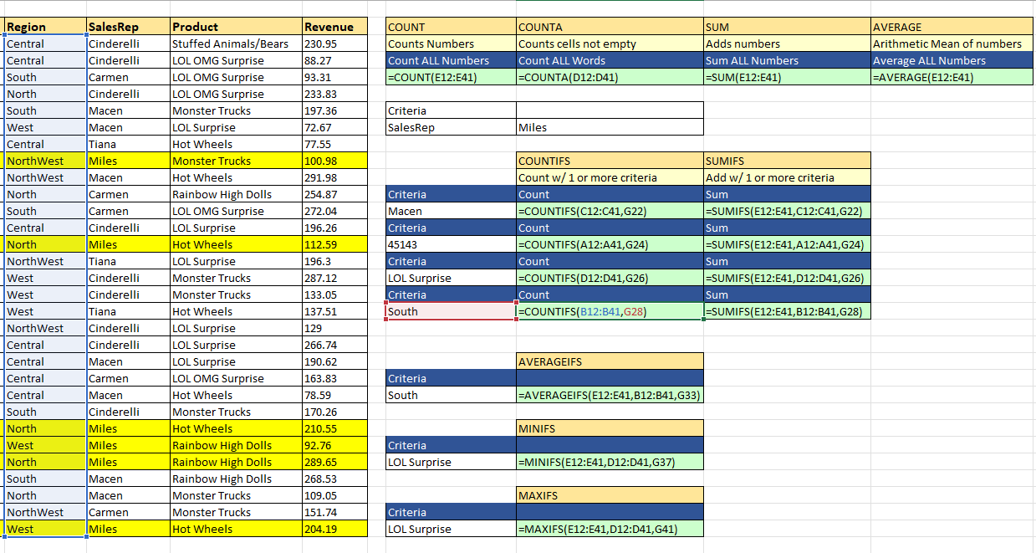
 |  | Topics to cover
 |  | Learn how to calculate with different Criteria
 |  | COUNT
 |  | COUNTA
 |  | COUNTIFS
 |  | SUM
 |  | SUMIFS
 |  | AVERAGE
 |  | AVERAGEIFS
 |  | MINIFS
 |  | MAXIFS
 |  | UNIQUE LIST
 |  | DATA VALIDATION

COUNTIFS | Counts Matches
SUMIFS | Adds Numbers
AVERAGEIFS | Averages Numbers
MINIFS | Finds the Smallest Number
MAXIFS | Finds the biggest number

IFS Function
