C(1607)
 | 31 R 17 C





Power Query - Group Suppliers, Join with Line Feed From Multiple Text Files - Excel Magic Trick 1580
100

 |  | Single Cell
 |  | List All Student Classes

 |  | Dynamic
 |  | Range

 |  |  | Jan | Feb | Mar | Apr
 |  |  | 3.9 | 6 | 5.1 | 2.4
 |  |  | 4.1 | 2.2 | 4.9 | 4
 |  |  | 2.5 | 2.2 | 2.8 | 4.7
 |  |  | 1.6 | 2.5 | 7 | 1.3
 |  |  | 5.5 | 6.7 | 1.9 | 5.1
 |  |  | 2 | 5.2 | 2.9 | 3.5

 |  |  |  |  |  |  | DAX Formula

Picture
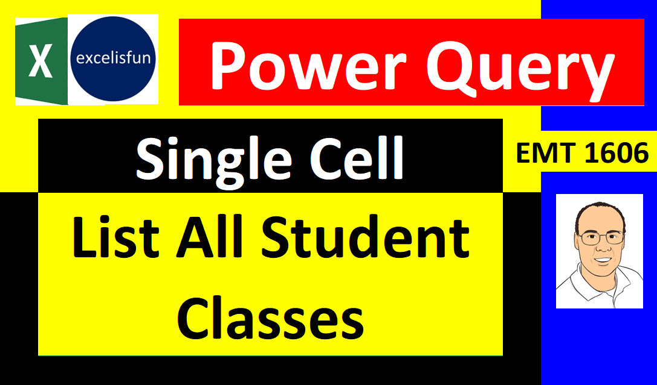




Picture2
