cover(1556)
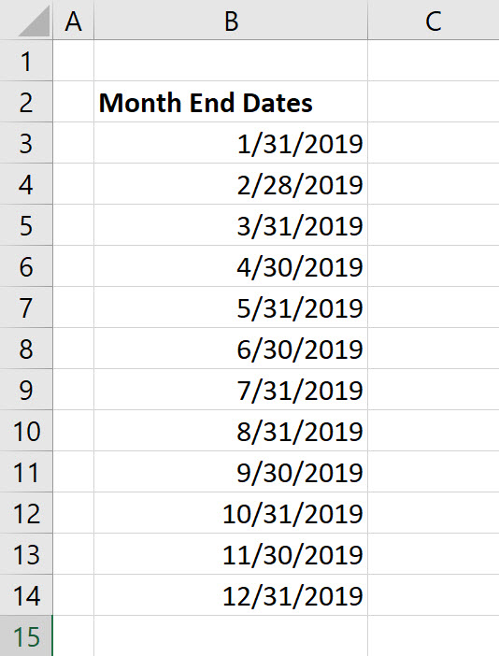

Column of Month End Dates

cover(1557)
Keyboard to Open Smart Tag

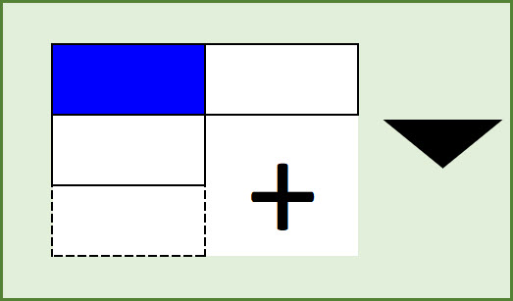

 | Excel Magic Trick 1557

cover(1559)
PivotTable YOY Report



Excel Magic Trick 1559

cover(1560)
PivotTable
Half Year Running Totals
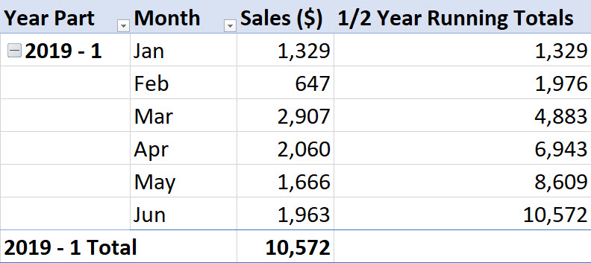

Excel Magic Trick 1560

