Cover(1547)
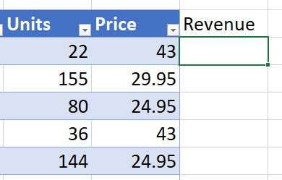
Excel Table
Column
Not |  | 
Added? | Excel Magic Trick 1547

Cover(1548)
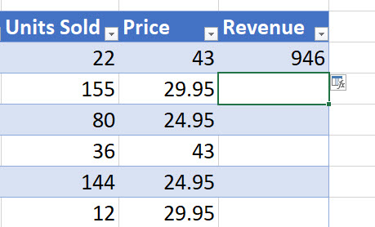
Excel Table
Formula
Not Copy |  | 
Down | Excel Magic Trick 1547

