Cover(37)
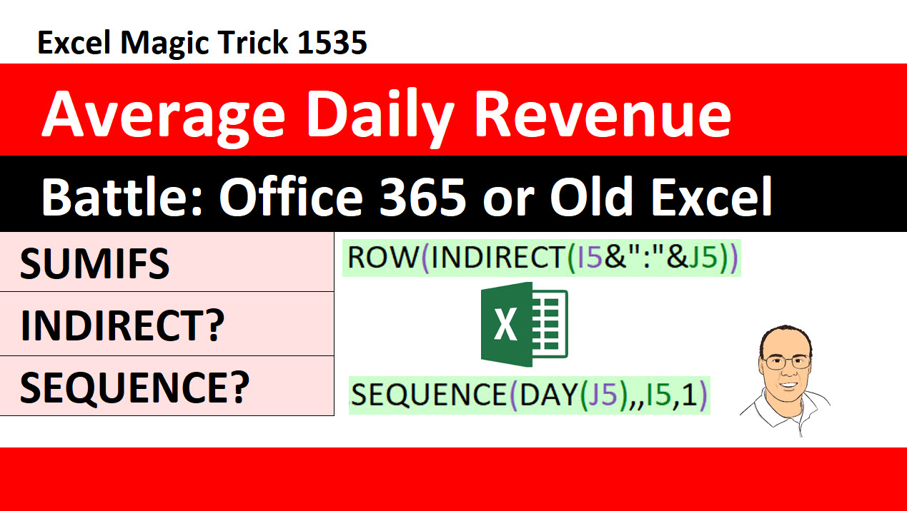
Excel Magic Trick 1537
Average Daily Revenue | Excel Magic Trick 1529: Dynamic Arrays: FILTER Array Function, AND and OR Logical Tests
SUMIFS &
DAY Function

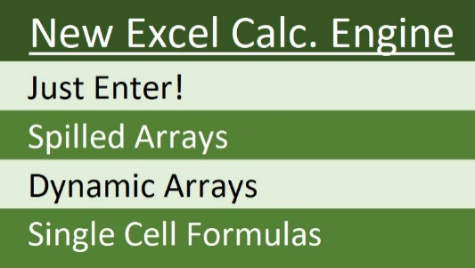

Average Daily Revenue to SUMIFS & for DAY Function

 |  | New Excel Calc Engine Just Enter! Spilled Arrays Dynamic Arrays Single Cell Formulas

