cover1510
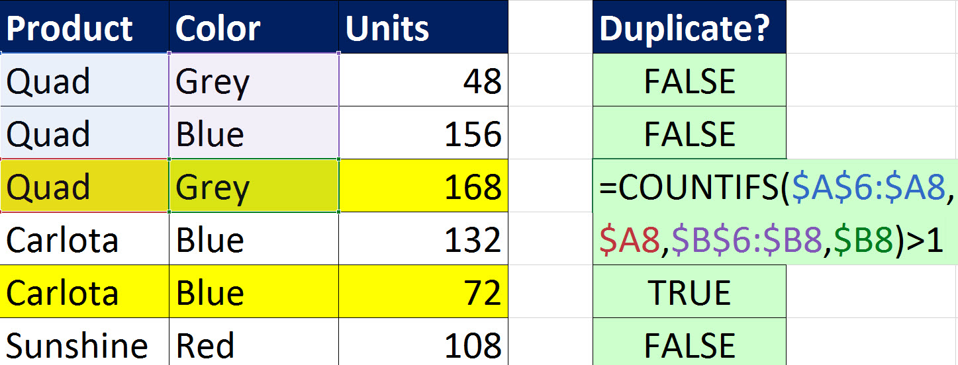

Excel Magic Trick 1510
Conditional Formatting Row
Duplicates
Base on Product & Color

