cover(1501)

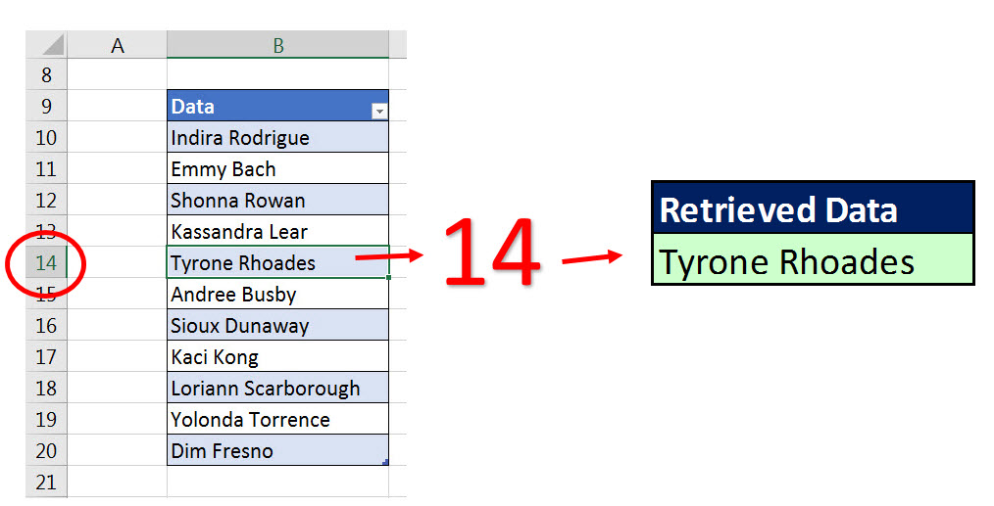
Excel Magic Trick 1501 Part 2
INDIRECT Function
Lookup from Different Sheets

