Cover1477
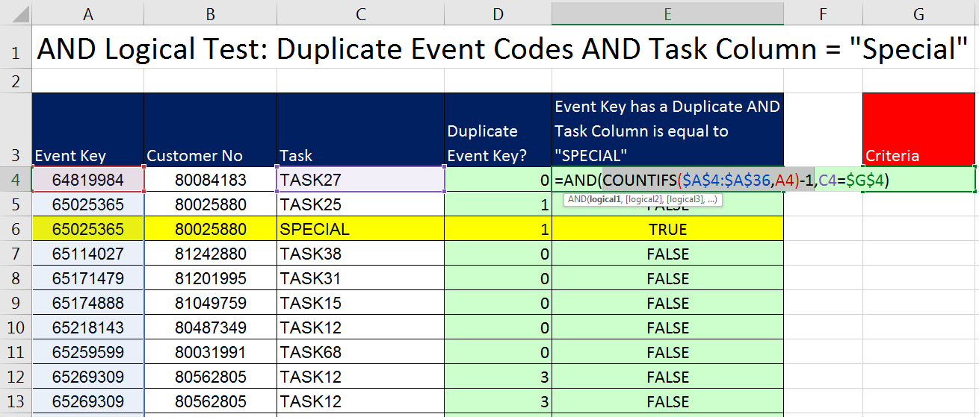
Excel Magic Trick 1477
Helper Column to Show Duplicate Event Codes AND Task Column = "Special"

 | Topics:
 | Count Duplicates
 | AND Logical Test
 | Helper Column to Deliver TRUE or FALSE

Cover1478
Excel Magic Trick 1478
Conditional Format Row When Event Code is a Duplicate AND Task = "Special"

 | Topics:
 | Logical Formula for Conditional Formatting Dialog Box
 | Mixed Cell References
 | Any Non-Zero Number = TRUE
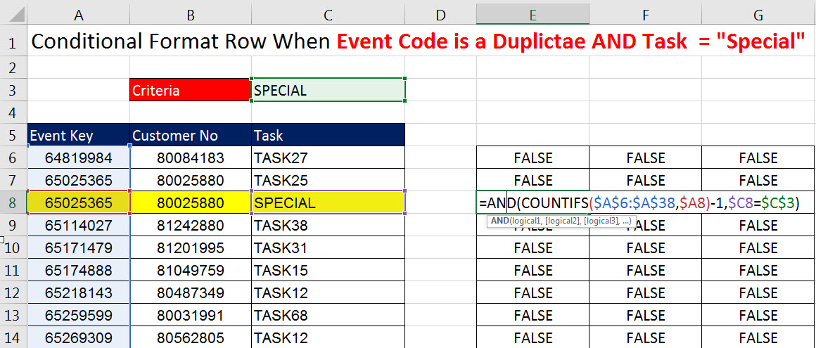
 | 0 = FALSE

