Cover
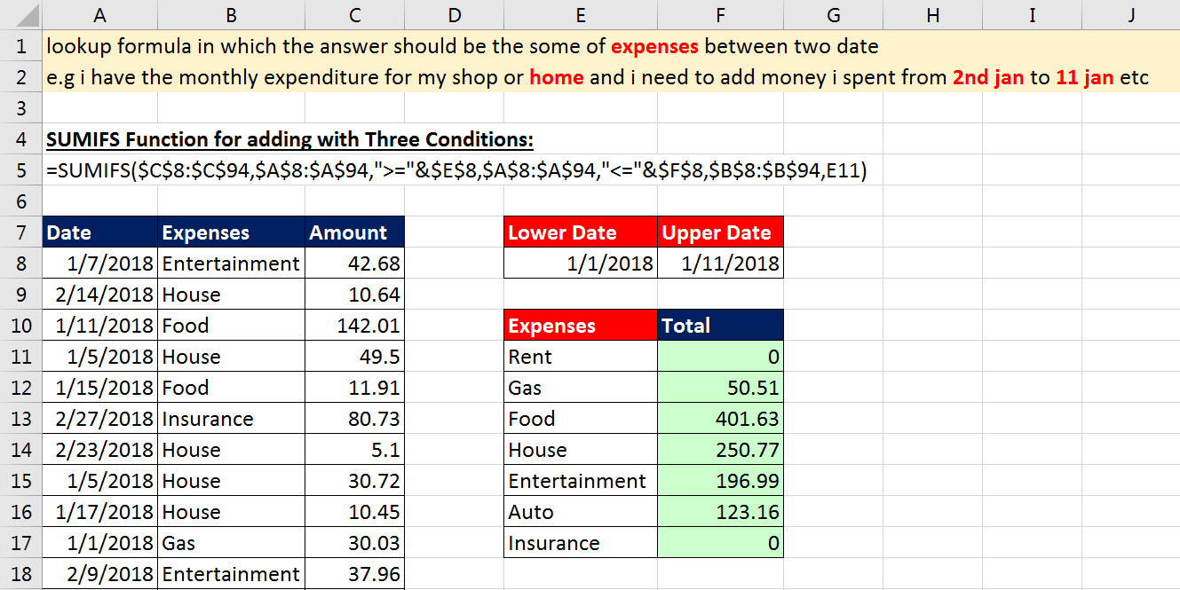
Excel Magic Trick 1476
SUMIFS to Add Expenses for Any Time Period (Adding with Three Conditions)

