Cover

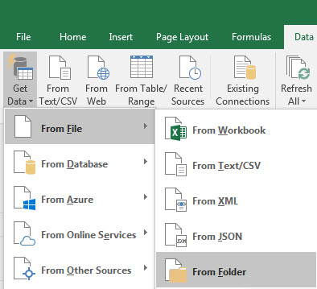
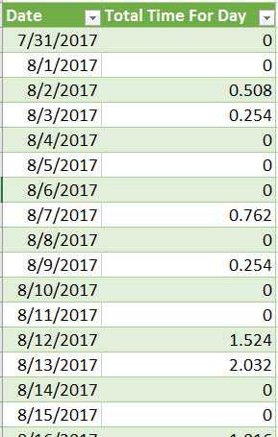
Excel Magic Trick 1470
Add Daily Rainfall 5 AM to 5 AM Next Day
Power Query (Get & Transform)

 | Excel Magic Trick 1469: Helper Column & PivotTable

 | Excel Magic Trick 1470: Power Query (Get & Transform)

 | Excel Magic Trick 1471: Array Formula (Most Automatic)

