Cover
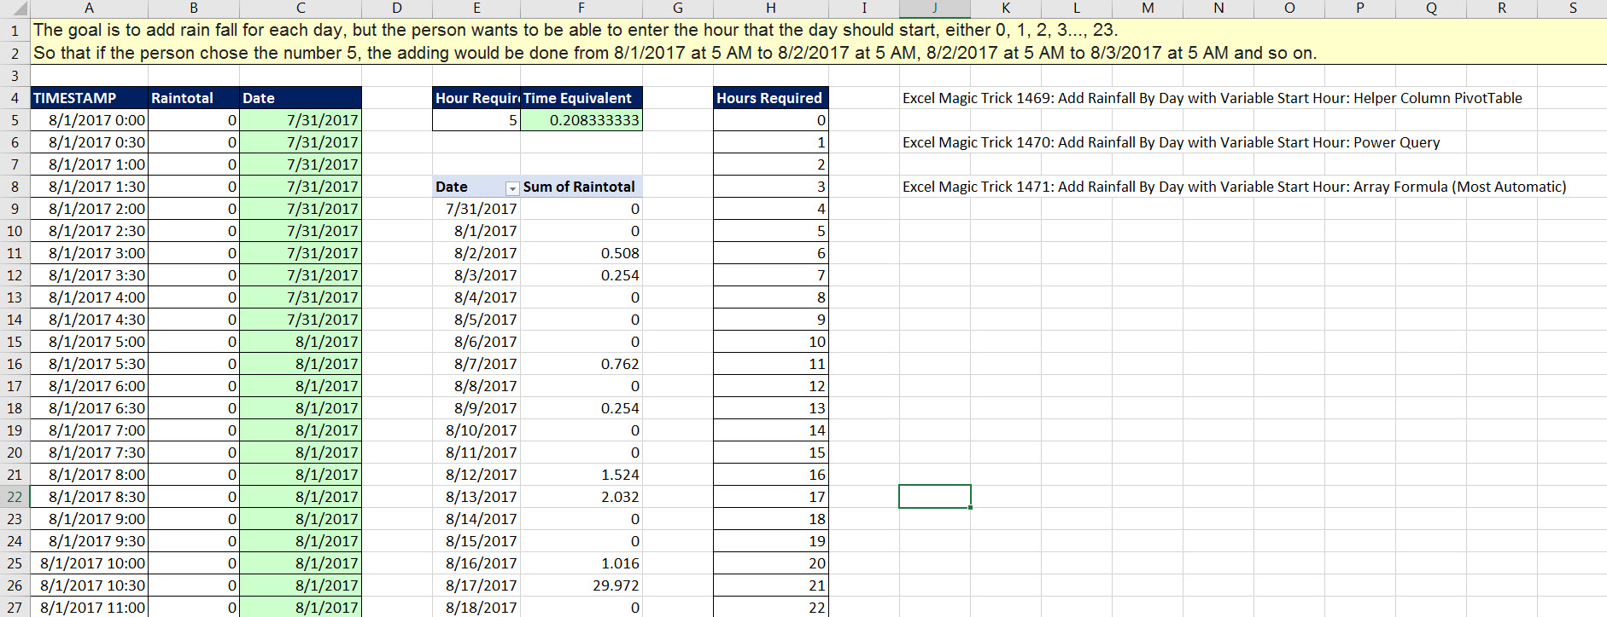

Excel Magic Trick 1469
Add Rainfall By Day with Variable Start Hour
Helper Column & PivotTable

