1466 cover
Excel Magic Trick 1466
Start of Month & Number Days in Month From Any Entered Date
EOMONTH Function
EDATE Function


Type Date | 2016-02-02
Start of Month | 2016-02-01 | =EOMONTH(B8,-1)+1
Days in Month | 29 | =EDATE(B9,1)-B9

1467 cover
Excel Magic Trick 1467
Complex Counting Formula
with Empty Cells, AND Logical Test & OR Logical Test
COUNTIFS or SUMPRODUCT?

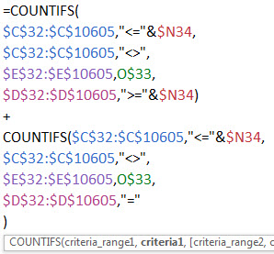
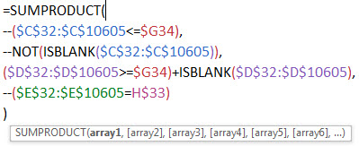
Goal: Open Projects by Day and Project Code

Logical Tests:
1) Start Date <= Date
AND
2) Start Date <> Empty Cell
AND
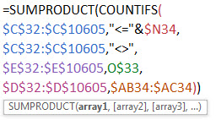
3) End Date >= Date OR End Date = Empty Cell
AND
4) Project Code = Project Code

