cover
Excel Magic Trick 1465:
Conditional Formatting
with Logical Formula =MATCH(B4,$G$4:$G$10,0)
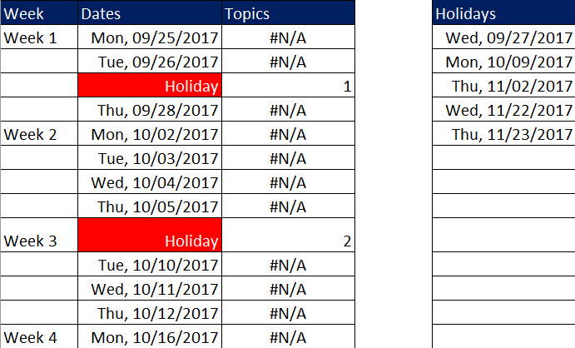

To Format Holiday Dates
with Red Fill & Word "Holiday"

