1440
Excel Magic Trick 1440: DAX IN Operator on Two Columns for AND & OR Logical Test

Date | Product | Region | Channel | Sales | DAX Measure Logical Test For Each Record in Table: | Region | Channel
2017-05-29 | Carlota | West | Web Site | 400.97 | Region = East AND Channel = Web Site | East | Web Site
2017-05-30 | Quad | East | In Store | 734.16 | OR | West | Web Site
2017-05-31 | Bellen | MidWest | Mail Order | 628.55 | Region = West AND Channel = Web Site
2017-06-01 | Carlota | East | Dealer | 1,637.68 |  | Date | Product | Region | Channel | Sales
2017-06-02 | Quad | West | Web Site | 407.92 | Product | TRUE | TRUE | TRUE | TRUE | TRUE
2017-06-03 | Bellen | West | Web Site | 889.59 | Bellen | FALSE | FALSE | FALSE | FALSE | FALSE
2017-06-04 | Carlota | MidWest | Web Site | 410.55 | Carlota | FALSE | FALSE | FALSE | FALSE | FALSE
2017-06-05 | Quad | MidWest | Web Site | 249.14 | Quad | FALSE | FALSE | FALSE | FALSE | FALSE
2017-06-06 | Bellen | East | Web Site | 735.10 | Grand Total | TRUE | TRUE | TRUE | TRUE | TRUE
2017-06-07 | Carlota | West | Dealer | 1,538.44 |  | TRUE | TRUE | TRUE | TRUE | TRUE
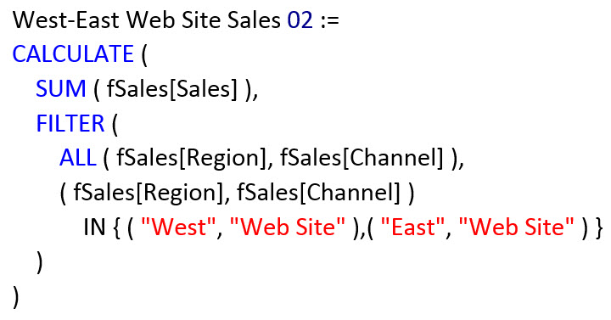
2017-06-08 | Quad | West | Dealer | 1,765.85 |  | FALSE | FALSE | FALSE | FALSE | FALSE
2017-06-09 | Bellen | East | In Store | 274.60 |  | FALSE | FALSE | FALSE | FALSE | FALSE
2017-06-10 | Carlota | East | Web Site | 299.02 |  | TRUE | TRUE | TRUE | TRUE | TRUE
2017-06-11 | Quad | East | Web Site | 1,046.09 |  | FALSE | FALSE | FALSE | FALSE | FALSE
 |  |  |  |  |  | FALSE | FALSE | FALSE | FALSE | FALSE
Excel Magic Trick 1439: DAX Measures to Create Cross Tabulated OR & AND Logical Test Sales Total |  |  |  |  |  | FALSE | FALSE | FALSE | FALSE | FALSE
https://www.youtube.com/watch?v=vQziukUgITY |  |  |  |  |  | TRUE | TRUE | TRUE | TRUE | TRUE
Excel Magic Trick 1437: DAX Query OR Logical Test IN Operator: Pull Sales Team Data to Excel Sheet |  |  |  |  |  | TRUE | TRUE | TRUE | TRUE | TRUE
https://www.youtube.com/watch?v=v-wWPGHoXY0&t=145s
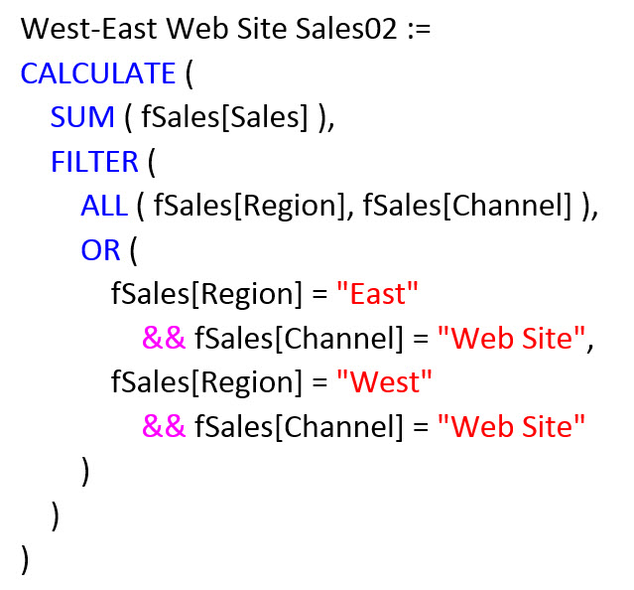
Great article about IN:
https://www.sqlbi.com/articles/the-in-operator-in-dax/

