1420
Excel Magic Trick 1420: Ranking in Power Query: Sort, Grouping, Indexes and Custom Columns

Server: pond.highline.edu
Database: boomerang
User: excelisfun
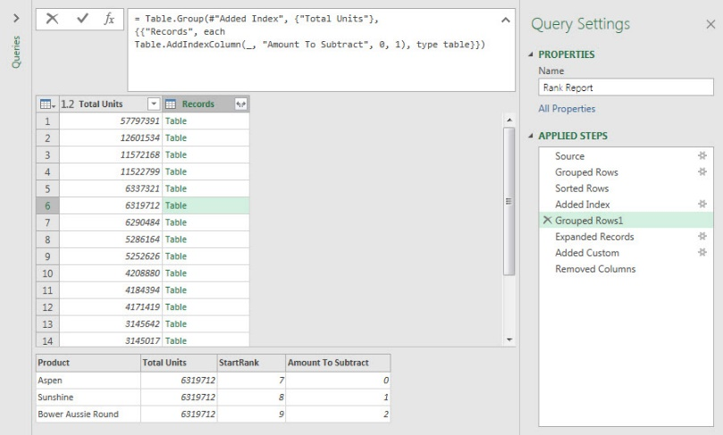
PW: ExcelIsFun!


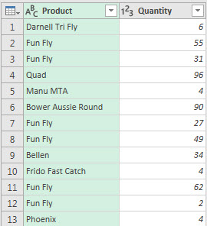

Append

Over 7,000,000 Rows

