1354
Excel Magic Trick 1354: Rank with Conditions: Rank Football Teams by Total Wins & Division Wins

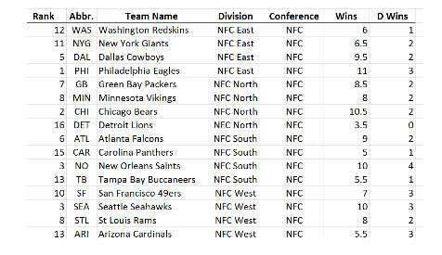
Football Team | Wins | Division Wins | Rank | Rank Considering Div Wins | Rank Considering Div Wins
PHI | 11 | 3 |  |  | 1 | <<== Before Excel 2007
CHI | 10.5 | 2 |  |  | 2
NO | 10 | 4 |  |  | 3
SEA | 10 | 3 |  |  | 4
ATL | 9 | 2 |  |  | 5
GB | 8.5 | 2 |  |  | 6
NYG | 8 | 4 |  |  | 7
SF | 8 | 3 |  |  | 8
STL | 8 | 2 |  |  | 9
MIN | 8 | 2 |  |  | 9
WAS | 6 | 1 |  |  | 11
ARI | 5.5 | 3 |  |  | 12
DAL | 5.5 | 2 |  |  | 13
TB | 5 | 1 |  |  | 14
CAR | 5 | 1 |  |  | 14
DET | 3.5 | 0 |  |  | 16

