Report
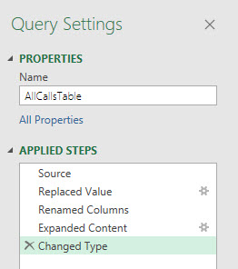
 |  | Finished Report:
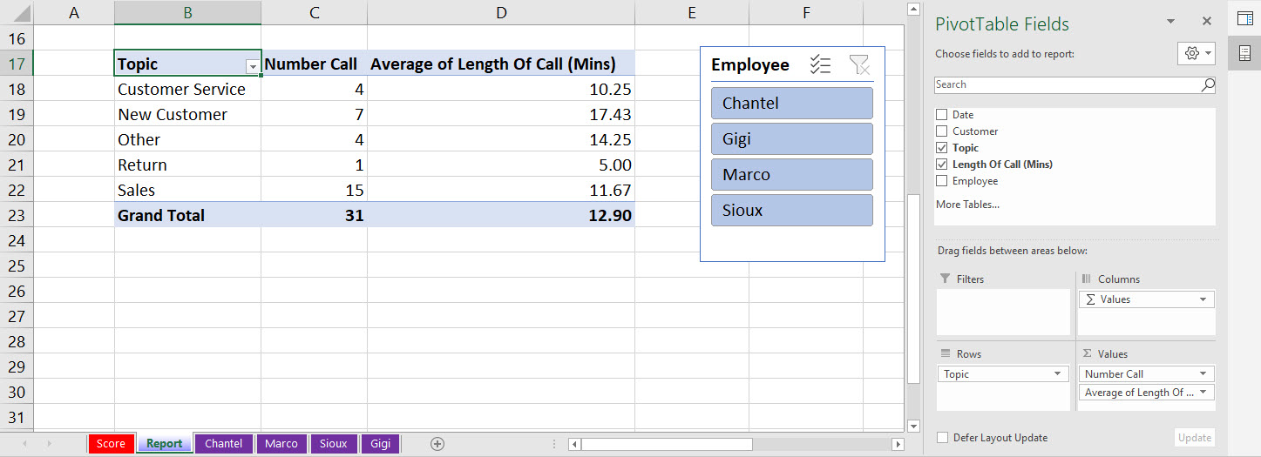
Project 3 Instructions:
There are 4 Excel Tables in this workbook file that list calls made by employees.
The goal is to create a summary report from all 4 tables.
Check all the Excel Table names and make sure that they are consistently named and contain the same employee name as is shown in the worksheet tab.
Append the 4 Excel Tables in this one workbook into a single table and load it to a PivotTable Report.
BEFORE you expand the Content column in the Power Query Editor to append tables:
 | 1) Make sure all field names in Excel Tables are consistent.
 | 2) For the Name column, select it, then right-click the column header and click on Replace Values. Then replace Calls with nothing.
 | This means in the Values to Find text box, type Calls and then leave the Replace with textbox empty.
 | 3) Do not delete the Name Column (as was shown in video) because this has the employee name and you want it in the resulting table.
 | 4) Rename the Name column to Employee.
Place top left cell of report in cell B17 on this worksheet. Create the report and chart as shown to the right =>

 |  |  | Query Steps in Power Query Editor:

