Cover
Highline College BI 348
taught by Mike excelisfun Girvin (Excel MVP)

MSPTDA 12: Microsoft Power Tools for Data Analysis

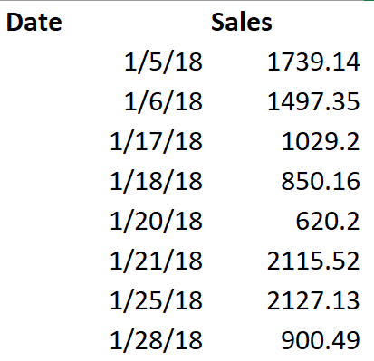
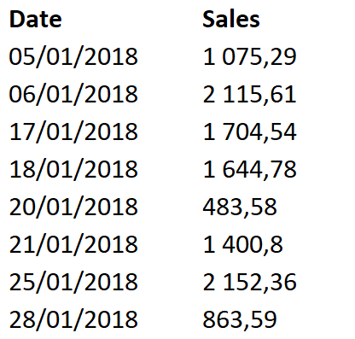
Power Query & Power BI
Using Locale...
Append Different Country Files
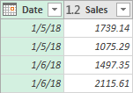

** MSPTDA 12

