Cover
Highline College BI 348
taught by Mike excelisfun Girvin (Excel MVP)

MSPTDA 05: Microsoft Power Tools for Data Analysis

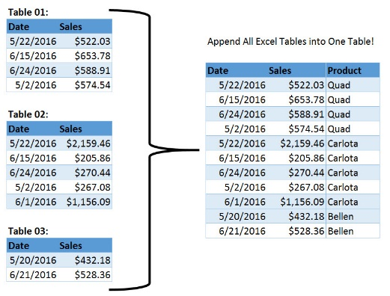
Microsoft Power Tools for Data Analysis
Power Query
Excel.CurrentWorkbook

 |  | Current Workbook
 |  | ALL Tables
 |  | Combine
 |  | 1 Table
 | ** MSPTDA 05

