Cover(29)
MSPTDA 29
taught by Mike excelisfun Girvin (Excel MVP)
MSPTDA 29: Microsoft Power Tools for Data Analysis
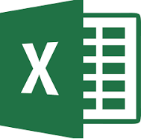 | MSPTDA 27
Reports for | MSPTDA 27: SUMIFS & Mixed References Array Formula Add Units in Reports for Order Date & Ship Date
Order Date & Ship Date | 98
Worksheet Formulas |  | MSPTDA 29: Order & Ship Date in Fact Table? Side-By-Side & Cross Tab Reports with Worksheet Formulas
SUMIFS & Mixed References |  | 100 | 

