Cover(27)
MSPTDA 27
taught by Mike excelisfun Girvin (Excel MVP)
MSPTDA 27: Microsoft Power Tools for Data Analysis

Many To Many | : Many To Many in Power Pivot & Power BI Desktop
Power BI or
Relationships | 48
Power Pivot
Power Pivot
Excel Array Formula
SUMPRODUCT & SUMIFS |  | 

Cover(28)
MSPTDA 28
taught by Mike excelisfun Girvin (Excel MVP)
MSPTDA 28: Microsoft Power Tools for Data Analysis |  | 

Power BI or
Power Pivot
Power Pivot
Build Bridge Table | : Build Bridge Table in Power Pivot & Power BI Desktop
Power Query | 54
Many To Many
Relationship

ExpandedTableDiagram
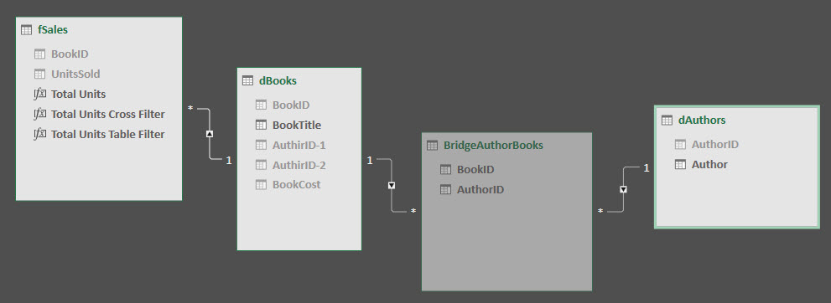
Color coding:
Native Columns = Columns in actual table
Expanded Columns = Columns that flow in from the One Side to this tables Many Side.

 |  | Tables
 |  | dAuthors | BridgeAuthorBooks | dBooks | fSales
Columns | AuthorID
 | Author
 | BookID
 | AuthorID
 | BookID
 | BookTitle
 | AuthirID1
 | AuthirID2
 | BookCost
 | BookID
 | UnitsSold

