Cover(33)
MSPTDA 33



taught by Mike excelisfun Girvin (Excel MVP)
MSPTDA 33: Microsoft Power Tools for Data Analysis

Data Modeling for
Slowly Changing Dimensions
Power Query & PivotTable

32-35
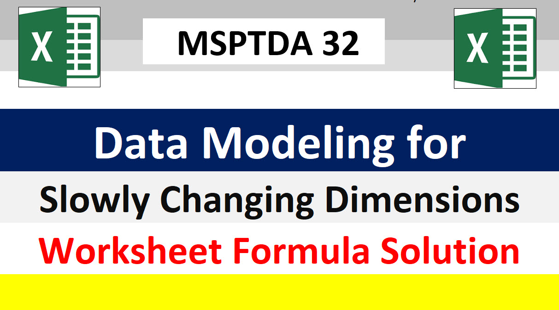





Tables
 |  |  |  |  |  |  |  |  |  | Desired Reports:
fSales = Fact Table with Sales |  |  | dTeam = Teams & Employees Table |  |  |  |  |  |  |  | Data Model PivotTable:
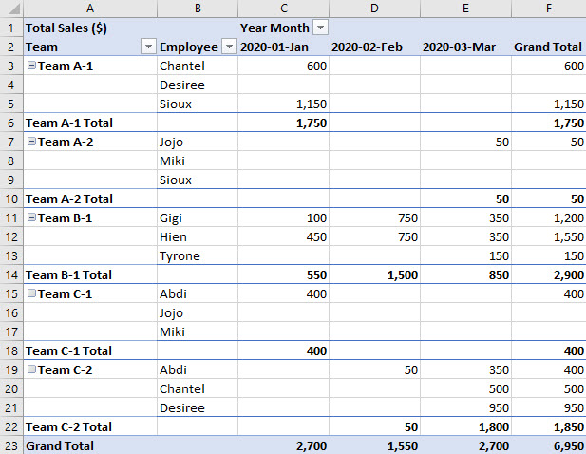
Date | Employee | Sales | Team | TeamGeneral | Employee1 | Employee2 | Employee3 | StartDate | EndDate
01/04/2020 | Gigi | 100 | Team A-1 | Team A | Sioux | Chantel | Desiree | 01/01/2020 | 01/31/2020 | Standard PivotTable:
01/04/2020 | Sioux | 400 | Team A-2 | Team A | Sioux | Jojo | Miki | 02/01/2020 | 03/31/2020
01/06/2020 | Sioux | 450 | Team B-1 | Team B | Tyrone | Gigi | Hien | 01/01/2020 | 03/31/2020
01/11/2020 | Sioux | 300 | Team C-1 | Team C | Abdi | Jojo | Miki | 01/01/2020 | 01/31/2020
01/14/2020 | Chantel | 450 | Team C-2 | Team C | Abdi | Chantel | Desiree | 02/01/2020 | 03/31/2020
01/16/2020 | Chantel | 150
01/17/2020 | Abdi | 400
01/31/2020 | Hien | 450
02/10/2020 | Gigi | 200 | Sum of Sales ($) |  | Months | Date
02/14/2020 | Gigi | 450 |  |  | Jan | Feb | Mar | Grand Total
02/15/2020 | Gigi | 100 | Team Name | Employee
02/21/2020 | Hien | 350 | Team A-1 | Chantel | 600 |  |  | 600
02/25/2020 | Hien | 400 |  | Sioux | 1,150 |  |  | 1,150
02/28/2020 | Abdi | 50 | Team A-1 Total |  | 1,750 |  |  | 1,750
03/06/2020 | Chantel | 300 | Team A-2 | Jojo |  |  | 50 | 50
03/09/2020 | Chantel | 200 | Team A-2 Total |  |  |  | 50 | 50
03/09/2020 | Hien | 350 | Team B-1 | Gigi | 100 | 750 | 350 | 1,200
03/15/2020 | Abdi | 150 |  | Hien | 450 | 750 | 350 | 1,550
03/16/2020 | Desiree | 300 |  | Tyrone |  |  | 150 | 150
03/19/2020 | Desiree | 300 | Team B-1 Total |  | 550 | 1,500 | 850 | 2,900
03/23/2020 | Jojo | 50 | Team C-1 | Abdi | 400 |  |  | 400
03/23/2020 | Tyrone | 150 | Team C-1 Total |  | 400 |  |  | 400
03/27/2020 | Gigi | 350 | Team C-2 | Abdi |  | 50 | 350 | 400
03/28/2020 | Abdi | 200 |  | Chantel |  |  | 500 | 500
03/30/2020 | Desiree | 100 |  | Desiree |  |  | 950 | 950
03/31/2020 | Desiree | 250 | Team C-2 Total |  |  | 50 | 1,800 | 1,850
 |  |  | Grand Total |  | 2,700 | 1,550 | 2,700 | 6,950

