cover
2 Fact Tables è
Star Schema

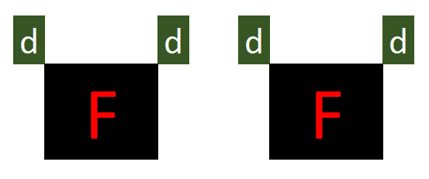 |  |  | 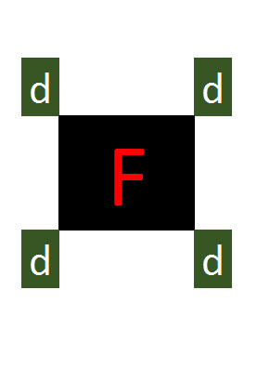

Power Query
Power BI Desktop

 | EMT 1498 | 

1498
Two Fact Tables Into
Star Schema
Power Query
Power BI Desktop
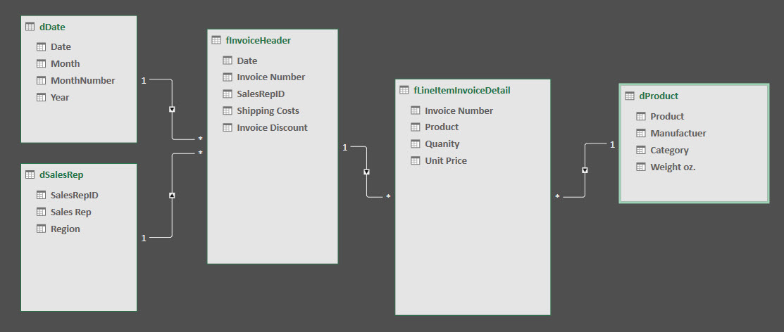
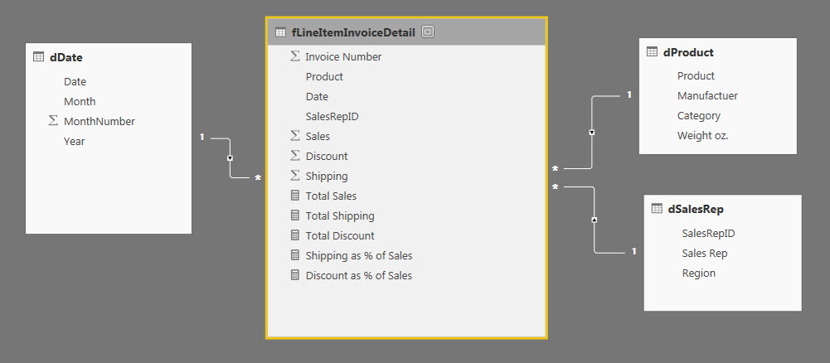



 | EMT 1498
 | Power Query inside Power BI Desktop

