Cover
Highline College BI 348
taught by Mike excelisfun Girvin (Excel MVP)
MSPTDA 21: Microsoft Power Tools for Data Analysis
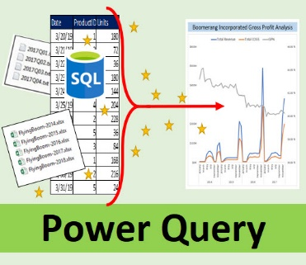
Power Query
 Data Modeling |  | DataModelingReduceDataModelSize

Reduce Data Model Size
MSPTDA 21

** MSPTDA 20

MSPTDA 21: Power Query Data Modeling To Reduce Model Size, Transformations to Columnar Database Size
100

