Cover
Highline College BI 348
taught by Mike excelisfun Girvin (Excel MVP)
MSPTDA 20: Microsoft Power Tools for Data Analysis
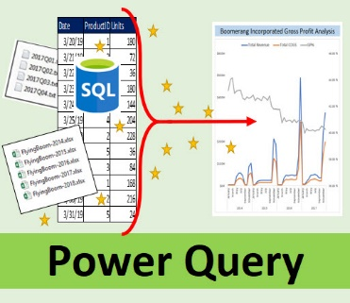
Power Query
 Parameter |  | ParameterDynamicFolderLocation

Dynamic Folder Location
MSPTDA 20

** MSPTDA 20

Goal
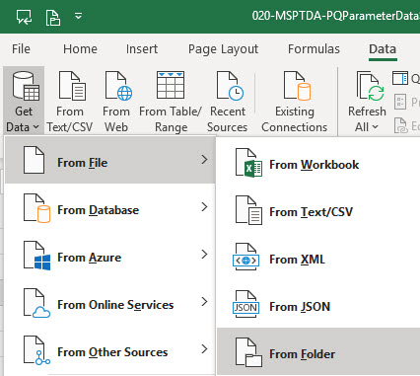
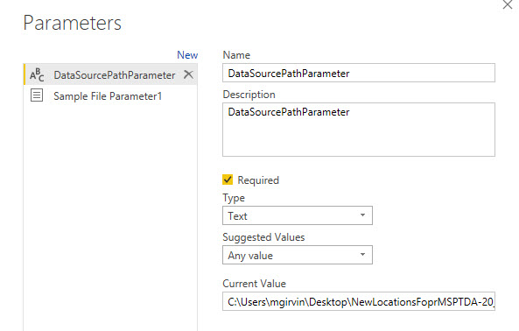
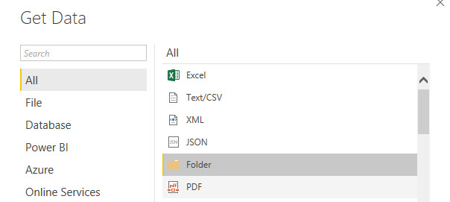
Excel: |  |  | Power BI Desktop:

 | 1) We Need to Import Files from Folder, but Folder path will change. | 3) We want to tell Power Query where our files are located (Folder Path) | 1) We Need to Import Files from Folder, but Folder path will change. | 3) We want to tell Power Query where our files are located (Folder Path)

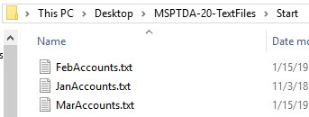

 | 2) We want to use From Folder Option | 4) Excel Table in Worksheet contains our Variable or Parameter Folder Path | 2) We want to use From Folder Option | 4) Variable or Parameter Folder Path created with Parameter Featuire

