Star Schema Expanded Tables
Color coding:
Native Column = Columns in actual table
Expanded Columns (Derived Columns) = columns that are in Expanded Tables

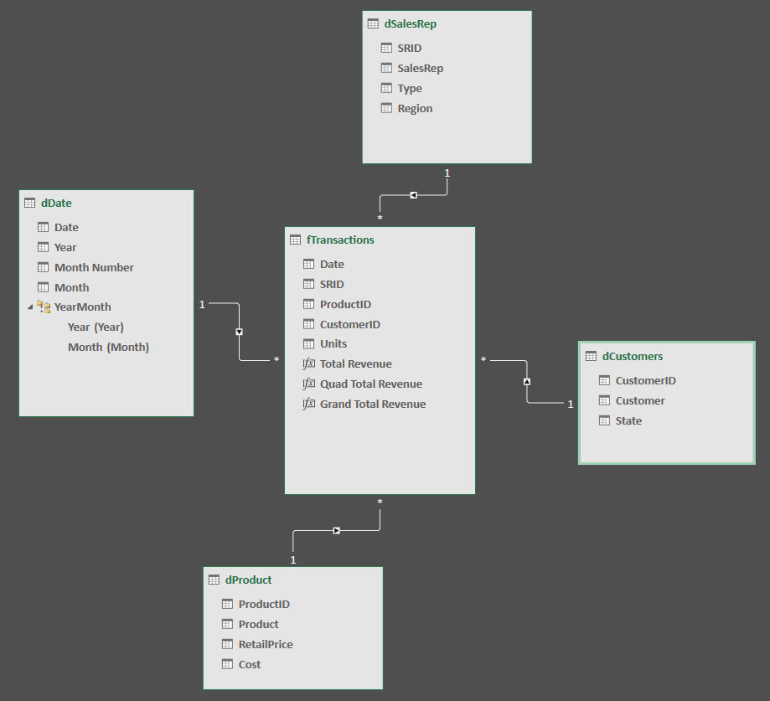
Expanded Table Diagram Helps:
1) Which Tables will a "Column Filter" affect
ALL(fTransactions[Units]) works only on that single column
ALL(dProduct[Product]) works on dProdct & fTransactions tables
2) Which Columns will a "Table Filter" affect
ALL(fTransactions) as filter in CALC will remove all columns as filters from Expanded Table
fTransactions as a filter in CALC can send a filter backwards across Many-To-One Relationship
3) See which Expanded Table Columns are in play with any Table Filter
ALLEXCEPT(fTransactions,dDate[Date]) will provide full Expanded Table as filter without the dDate[Date] column
 | dSalesRep | dCustomers | dProduct | dDate | fTransactions
SRID
SalesRep
Type
Region
CustomerID
Customer
State
ProductID
Product
RetailPrice
Cost
Date
Year
Month Number
Month
Date
SRID
ProductID
CustomerID
Units

