Cover
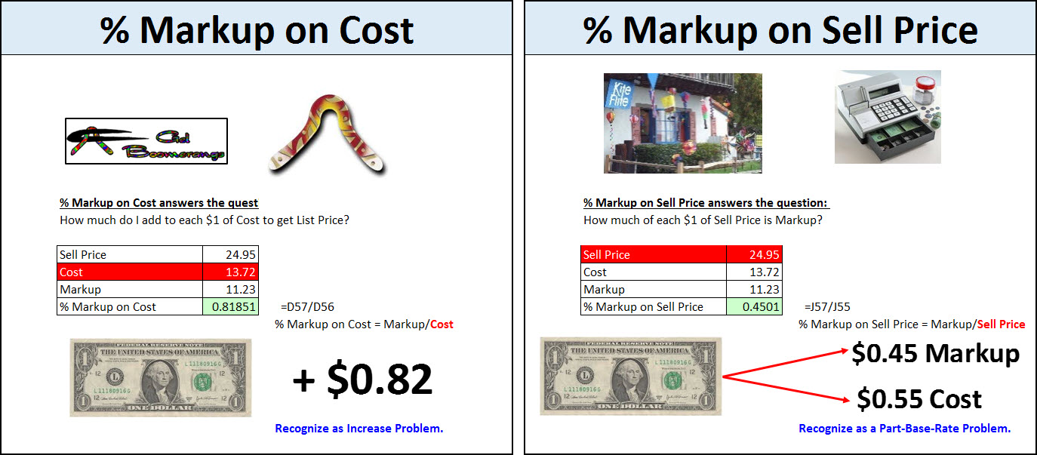
Excel & Business Math 41

Two Sides
Cost Side |  | Sell Price Side

Gel Boomerangs |  | Kite Flight
Manufactures and Distributes Boomerangs |  | Buys Kites, Boomerangs and Toys and sells to Final Customer

Manufacturer or Distributor |  | Retailers
They see everything in terms of "Cost" |  | They see everything in terms of "Sell Price"

Cost = Wholesale Cost = $13.72 |  | Sell Price = List Price = $24.95


Gel Boomerangs | Customer | Kite Flight |  | Final Customer
 |  |  | 

Many Synonyms for "Cost": |  | Many Synonyms for "Sell Price":
Cost = Wholesale Cost = COGS = Net Cost = Wholesale Price |  | Sell Price = List Price = Selling Price = Retail Price

The final "Cost" would include: |  | The final "Sell Price" would include:
Trade Discounts, Cash Discounts, Shipping & Insurance. |  | Markdowns or Markups

$ Markup
Both Manufacturers & Retailers see "$ Markup" the same way:
 |  |  |  |  |  |  |  |  |  |  | Labels
 | Sell Price = List Price = $24.95 |  |  |  |  |  |  |  |  |  | Sell Price $24.95
 |  |  |  |  |  |  |  |  |  |  | Cost $13.72
 | Cost = Wholesale Cost = $13.72 |  |  |  |  |  |  |  |  |  | Markup $11.23

 | What is Markup? |  |  |  |  | For One Bellen Boomerang:

 | Sell Price | $24.95
 | Cost | $13.72
 | Markup |  | Sell Price - Cost = Markup

 | Many Synonyms for "Markup":
 | Markup = $ Markup = Margin = Gross Profit

 | Both Manufacturers & Retailers see "$ Markup" the same way:

 | Sell Price | $24.95
 | Cost | $13.72
 | Markup | $11.23 | Sell Price - Cost = Markup

 |  |  |  |  |  |  |  |  | Remember, same numbers different terms:
 | Solve for Markup: |  |  | Solve for Cost: |  |  | Solve for Sell Price: |  | Video # 37: Trade Discounts

 | Sell Price | $24.95 |  | Sell Price | $24.95 |  | Sell Price |  | List Price | $24.95
 | Cost | $13.72 |  | Cost |  |  | Cost | $13.72 | Wholesale Cost | $13.72
 | Markup |  |  | Markup | $11.23 |  | Markup | $11.23 | Trade Discount

 |  | Markup = Sell Price - Cost |  |  | Cost = Sell Price - Markup |  |  | Sell Price = Cost + Markup

$ Markup (an)
Both Manufacturers & Retailers see "$ Markup" the same way:
 |  |  |  |  |  |  |  |  |  |  |  |  |  | Labels
 | Sell Price = List Price = $24.95 |  |  |  |  |  |  |  |  |  |  |  |  | Sell Price $24.95
 |  |  |  |  |  |  |  |  |  |  |  |  |  | Cost $13.72
 | Cost = Wholesale Cost = $13.72 |  |  |  |  |  |  |  |  |  |  |  |  | Markup $11.23

 | What is Markup? |  |  |  |  |  |  | For One Bellen Boomerang:

 | Sell Price | $24.95
 | Cost | $13.72
 | Markup | $11.23 |  | Sell Price - Cost = Markup

 | Many Synonyms for "Markup":
 | Markup = $ Markup = Margin = Gross Profit

 | Both Manufacturers & Retailers see "$ Markup" the same way:

 | Sell Price | $24.95
 | Cost | $13.72
 | Markup | $11.23 |  | Sell Price - Cost = Markup

 |  |  |  |  |  |  |  |  |  |  |  | Remember, same numbers different terms:
 | Solve for Markup: |  |  |  | Solve for Cost: |  |  |  | Solve for Sell Price: |  |  | Video # 37: Trade Discounts

 | Sell Price | $24.95 |  |  | Sell Price | $24.95 |  |  | Sell Price | $24.95 | =SUM(L28:L29) | List Price | $24.95
 | Cost | $13.72 |  |  | Cost | $13.72 | =H27-H29 |  | Cost | $13.72 |  | Wholesale Cost | $13.72
 | Markup | $11.23 | =D27-D28 |  | Markup | $11.23 |  |  | Markup | $11.23 |  | Trade Discount | $11.23

 |  | Markup = Sell Price - Cost |  |  |  | Cost = Sell Price - Markup |  |  |  | Sell Price = Cost + Markup

% Markup Depends on Side
 | Manufacturers & Retailers see "% Markup" Differently
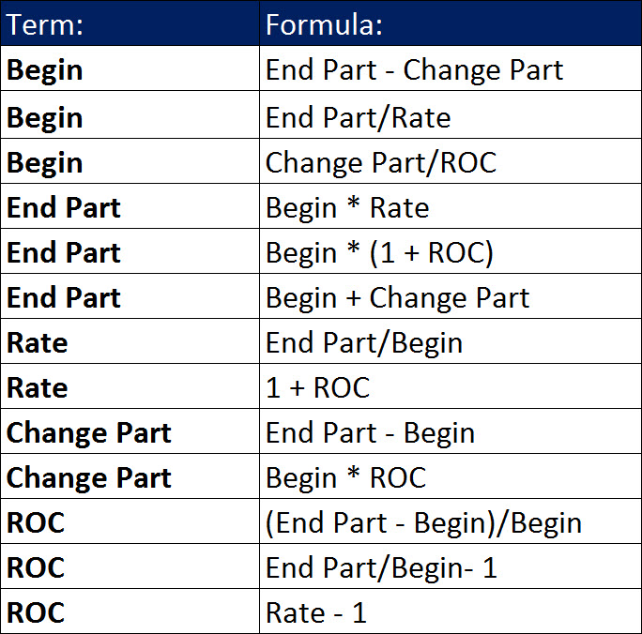
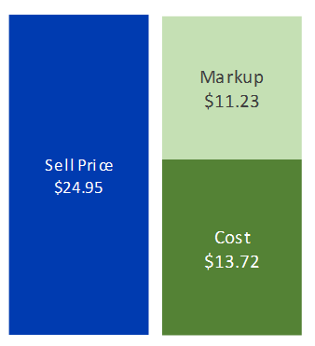
 | Gel Boomerangs thinks of everything in terms of their sell price, which is "Wholesale Cost" or "Cost" |  |  |  |  |  | Associated Part | 0.5
 |  |  |  |  |  |  | Associated Rate | 0.25
 | Kite Flight sees everything in terms of their sell price, which is "List Price" or "Sell Price" |  |  |  |  |  | Begin / Base | 0.25

 | This means when they get to expressing things in Percentages, they each use a different "Base" or "Begin"

 | Gel Boomerangs, and most Manufacturers & Distributors, use "Cost" as the Denominator or "Begin"
 | This means that the % expresses everything in terms of $1 of Cost

 | Kite Flight, and most Retailers, use "Sell Price" as the the Denominator or "Base"
 | This means that the % expresses everything in terms of $1 of Sell Price

Manufacturer, Gel Boomerangs uses % Markup on Cost |  |  |  |  | Recognize as Increase Problem.
 |  |  | Sell Price | 24.95
 | Begin | 100% | Cost | 13.72 | Denominator
 |  |  | Markup
 |  |  | % Markup on Cost |  |  | % Markup on Cost = Markup/Cost
 |  |  |  |  |  | $0.82 of Markup/$1 of Cost
 |  |  |  |  |  | The meaning: For every $1 of Cost, we add $0.82 of Markup to get Sell Price
 |  | Check: | Sell Price |  |  | Check the meaning with: End Part = Begin * (1+ROC)
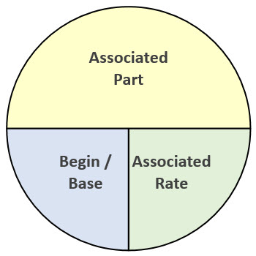
 |  |  | % Sale Price on Cost |  |  | Rate = End Part/Begin

Retailer, Kite Flight uses % Markup on Sell Price |  |  |  |  | Recognize as a Part-Base-Rate Problem.
 | Base | 100% | Sell Price | 24.95 | Denominator
 |  |  | Cost | 13.72
 |  |  | Markup |  |  | % Markup on Sell Price = Markup/Sell Price
 |  |  | % Markup on Sell Price |  |  | $0.45 of Markup/$1 of Sell Price
 |  |  |  |  |  | The meaning: For every $1 of Sell Price, $0.45 is the Markup
 |  |  |  |  |  | In Retail they think of it as: For every $1 into cash register: $0.45 is Markup, $0.55 is Cost
 |  | Check: | Markup (Part 1) |  |  | Check the meaning with: Base * Associated Rate 1
 |  |  | % Cost on Sell Price |  |  | Part 2/Base
 |  | Check: | Cost (Part 2) |  |  | Check the meaning with: Base * Associated Rate 2

% Markup Depends on Side (an)
 | Manufacturers & Retailers see "% Markup" Differently

 | Gel Boomerangs thinks of everything in terms of their sell price, which is "Wholesale Cost" or "Cost" |  |  |  |  |  | Associated Part | 0.5
 |  |  |  |  |  |  | Associated Rate | 0.25
 | Kite Flight sees everything in terms of their sell price, which is "List Price" or "Sell Price" |  |  |  |  |  | Begin / Base | 0.25
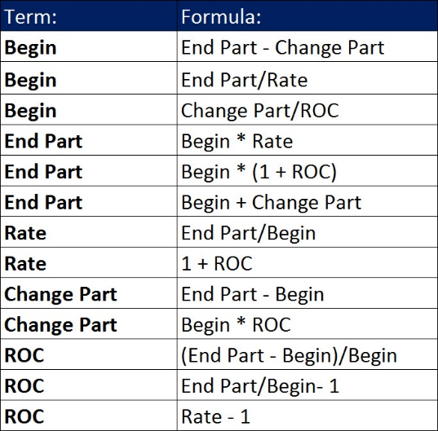
 | This means when they get to expressing things in Percentages, they each use a different "Base" or "Begin"

 | Gel Boomerangs, and most Manufacturers & Distributors, use "Cost" as the Denominator or "Begin"
 | This means that the % expresses everything in terms of $1 of Cost

 | Kite Flight, and most Retailers, use "Sell Price" as the the Denominator or "Base"
 | This means that the % expresses everything in terms of $1 of Sell Price

Manufacturer, Gel Boomerangs uses % Markup on Cost |  |  |  |  | Recognize as Increase Problem.
 |  |  | Sell Price | 24.95
 | Begin | 100% | Cost | 13.72 | Denominator
 |  |  | Markup | 11.23 | =E17-E18
 |  |  | % Markup on Cost | 0.81851311953 | =E19/E18 | % Markup on Cost = Markup/Cost
 |  |  |  |  |  | $0.82 of Markup/$1 of Cost
 |  |  |  |  |  | The meaning: For every $1 of Cost, we add $0.82 of Markup to get Sell Price
 |  | Check: | Sell Price | 24.95 | =(1+E20)*E18 | Check the meaning with: End Part = Begin * (1+ROC)
 |  |  | % Sale Price on Cost | 1.8185131195 | =E23/E18 | Rate = End Part/Begin

Retailer, Kite Flight uses % Markup on Sell Price |  |  |  |  | Recognize as a Part-Base-Rate Problem.
 | Base | 100% | Sell Price | 24.95 | Denominator
 |  |  | Cost | 13.72
 |  |  | Markup | 11.23 | =E27-E28 | % Markup on Sell Price = Markup/Sell Price
 |  |  | % Markup on Sell Price | 0.4501002004 | =E29/E27 | $0.45 of Markup/$1 of Sell Price
 |  |  |  |  |  | The meaning: For every $1 of Sell Price, $0.45 is the Markup
 |  |  |  |  |  | In Retail they think of it as: For every $1 into cash register: $0.45 is Markup, $0.55 is Cost
 |  | Check: | Markup (Part 1) | 11.23 | =E30*E27 | Check the meaning with: Base * Associated Rate 1
 |  |  | % Cost on Sell Price | 0.5498997996 | =E28/E27 | Part 2/Base
 |  | Check: | Cost (Part 2) | 13.72 | =E34*E27 | Check the meaning with: Base * Associated Rate 2

% Markup C or SP
Manufacturer, Gel Boomerangs uses % Markup on Cost |  |  |  | Retailer, Kite Flight uses % Markup on Sell Price
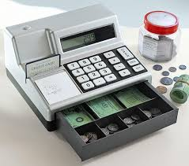

 | % Markup on Cost answers the question: |  |  |  | % Markup on Sell Price answers the question:
 | How much do I add to each $1 of Cost to get List Price? |  |  |  | How much of each $1 of Sell Price is Markup?

 | Sell Price | 24.95 |  |  | Sell Price | 24.95
 | Cost | 13.72 |  |  | Cost | 13.72
 | Markup | 11.23 |  |  | Markup | 11.23
 | % Markup on Cost | 0.81851311953 | =D16/D15 |  | % Markup on Sell Price | 0.4501002004 | =J16/J14
 |  |  | % Markup on Cost = Markup/Cost |  |  |  | % Markup on Sell Price = Markup/Sell Price

 |  |  | Recognize as Increase Problem. |  |  |  | Recognize as a Part-Base-Rate Problem.

% Markup on Cost |  |  |  | % Markup on Sell Price

 | % Markup on Cost answers the question: |  |  |  | % Markup on Sell Price answers the question:
 | How much do I add to each $1 of Cost to get List Price? |  |  |  | How much of each $1 of Sell Price is Markup?

 | Sell Price | 24.95 |  |  | Sell Price | 24.95
 | Cost | 13.72 |  |  | Cost | 13.72
 | Markup | 11.23 |  |  | Markup | 11.23
 | % Markup on Cost | 0.81851311953 | =D57/D56 |  | % Markup on Sell Price | 0.4501002004 | =J57/J55
 |  |  | % Markup on Cost = Markup/Cost |  |  |  | % Markup on Sell Price = Markup/Sell Price

 |  |  | Recognize as Increase Problem. |  |  |  | Recognize as a Part-Base-Rate Problem.

 |  |  |  |  |  |  |  | + $0.82
 |  |  |  |  |  |  |  | $0.45 Markup
 |  |  |  |  |  |  |  | $0.55 Cost

More (an)
If the Markup for a Lego Set is $15 and the % Markup on Sell Price is 55%, what is the Sell Price?

**Note: | Base = Sell Price
 | Recognize as Part-Base-Rate Problem

$ Markup | $15.00 | Part 1 | Part 1
% Markup on Sell Price | 55.00% | Rate 1 | Rate 1
Sell Price | 27.272727273 | Begin = Part 1/Rate 1 | Begin = Part 1/Rate 1
Cost | 12.272727273 | Part 2 = Begin - Part 1 | Part 2 = Begin - Part 1
% Cost on Sell Price | 0.45 | Rate 2 = Part 2/Begin | Rate 2 = Part 2/Begin

If the Cost for a Boomerang is $13.72 and the % Markup on Cost is 54.99%, what is the $ Markup?
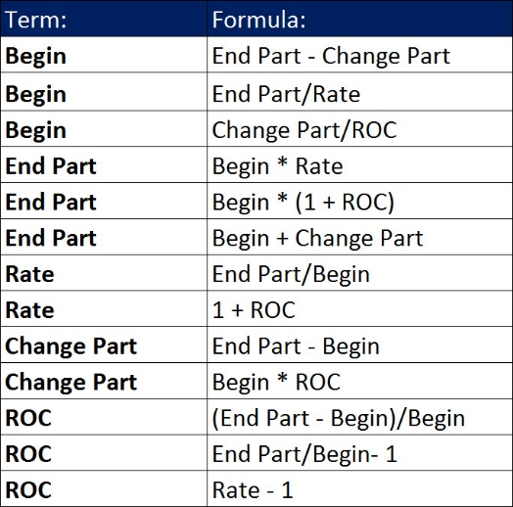
**Note: | Begin = Cost
 | Recognize as an Increase Problem

Cost | 13.72 | Begin | Begin
% Markup on Cost | 54.99% | ROC | ROC
Markup | 7.544628 | Change Part = Begin * ROC | Change Part = Begin * ROC
Sell Price | 21.264628 | End Part = Begin + Cahnge Part | End Part = Begin + Cahnge Part
% Sell Price on Cost | 1.5499 | Rate = End Part / Begin | Rate = End Part / Begin

HW(5-6) (an)
For the Quad Boomerang, if % Markup on Cost is 100% and the Cost is $21.50, what is the Sell Price?

Type | Increase Problem
Begin | Cost
Item | Quad
Cost | 21.5 |  | Begin
% Markup on Cost | 100% |  | ROC
$ Markup | 21.5 | =B7*B6 | Change Part = Begin * ROC
Sell Price | 43 | =B8+B6 | End Part = Change Part + Begin
Check | 43 | =B6*(1+B7) | End = Begin * (1+ ROC)

For the Quad Boomerang, if % Markup on Sell Price is 50% and the Cost is $21.50, what is the Sell Price?

Type | Part-Base-Rate Problem
Base | Sell Price
Item | Quad
Cost | 21.5 | Part 2
% Markup on Sell Price | 50% | Rate 1
% Cost on Sell Price | 50% | =1-B18 | 100% - Rate 1 = Rate 2 or 1 - Rate 1 = Rate 2
Sell Price | 43 | =B17/B19 | Base = Part 2 / Rate 2
$ Markup | 21.5 | =B20*B18 | Part 1 = Base * Rate 1
Check | 43 | =B21+B17 | Base = Part 1 + Part 2

