Cover

Excel & Business Math 40
Partial Payment on Invoice with Cash Discount Applied

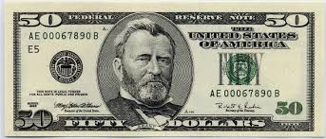
 | Topics:
 | Partial Payment on Invoice with Cash Discount Applied
 | Calculate Amount Credited to Account
 | Calculate Remain Balance

