Cover
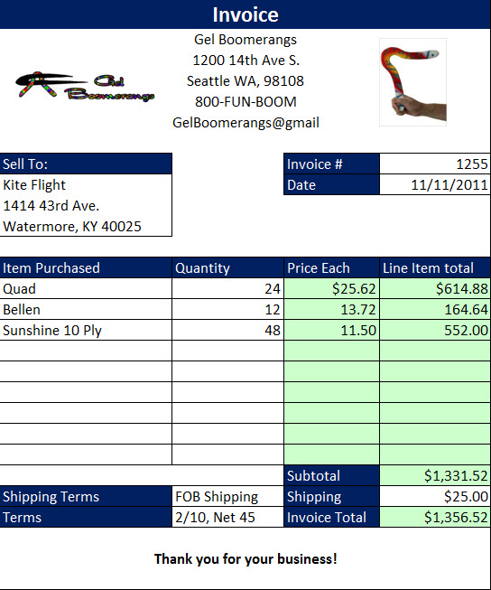
Excel & Business Math 39
Create Invoices in Excel, Data Validation Drop-down, VLOOKUP & IF Functions

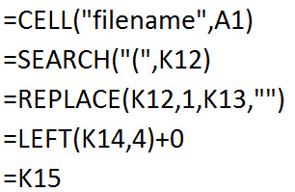
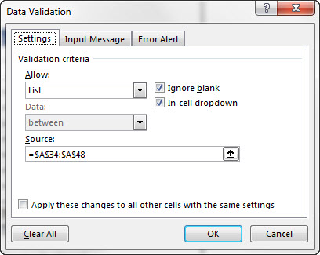
 | Topics:
 | Steps for creating Invoice
 | 1) Format Invoice
 | 2) Insert Picture
 | 3) Calculate Wholesale Cost using a Single Trade Discount
 | 4) Data Validation - List to insert Drop-down list of Products
 | 5) Exact Match VLOOKUP to get price
 | 6) IF and ISTEXT to turn formula off when no product entered
 | 7) IF & ISNUMBER for Line Item Total
 | 8) SUM Function and other formulas for totals
 | 9) Page Setup

 | 10) Copy a Sheet using Mouse & Ctrl Key
 | 11) CELL, SEARCH, REPLACE and LEFT Functions to get Invoice Number

