Cover
Excel & Business Math 38
Date Math, Invoices, Cash Discounts on Invoices
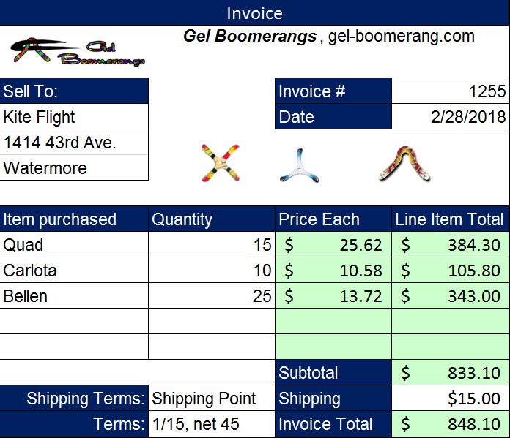
 | Topics:
 | Date Number Formatting
 | Date Math & Date Formulas
 | Invoices
 | Shipping Terms
 | When Tax is Paid
 | Cash Discounts: Incentive to Pay Invoice Early
 | Cash Discount Methods:
 | Ordinary
 | AS OF
 | EOM
 | ROG
 | 17 Fun Homework problems

Sales Tax
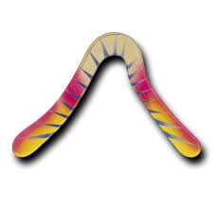

Logging Company in Finland
Plywood Manufacturer in Finland
Plywood Distributor in USA
Gel Boomerangs
Kite Flight Retail Store
Customer Buys Boomerang

 | Paint Not Taxed:
Sales Tax is only paid by final customer. When the item bought has made it to its final destination, sales tax must be paid.
Tax paid on Retail Price.
Tax is not paid on Wholesale Price (unless the business buys at wholesale and uses it in business, thus final customer).
Gel Boomerangs buys paint and paint equipment from paint store. | Paint Sprayer was taxed:
Because paint has not made it to final customer (paint will end up on boomerang), no sales tax is paid.
Because paint equipment has made it to its final destination, sales tax is paid.

