Cover
Excel & Business Math 37
Trade Discounts, Series Discounts, Net Cost Equivalents & Wholesale Cost

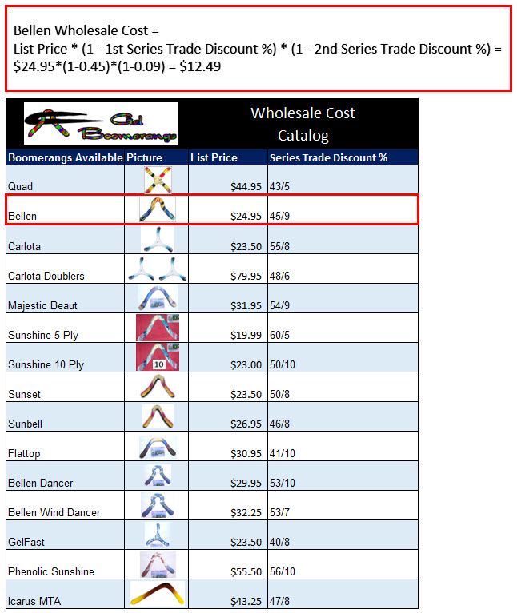
 | Topics:
 | 1) Retail & Wholesale Businesses.
 | 2) List Price and Wholesale Cost.
 | 3) Trade Discount $ Amount.
 | 4) Single Trade Discount % and Wholesale Cost
 | 5) Series Trade Discount Percentages (Chain Discounts)
 | 6) Net Cost Equivalent & Wholesale Cost
 | 7) Final Trade Discount %
 | 8) Examples of Wholesale Cost Catalogs
 | 9) Single Trade Discount % Video Example
 | 10) Series Trade Discount % with Two Successive Discounts
 | 11) Series Trade Discount % where 2nd Discount Depends on Quantity Purchased
 | 12) Series Trade Discount % where 2nd & 3rd Discount Depends on Quantity Purchased

 |  | 1) | 2 | Retail & Wholesale Businesses.
 |  | 2) | 3 | List Price and Wholesale Cost.
 |  | 3) | 4 | Trade Discount $ Amount.
 |  | 4) | 5 | Single Trade Discount % and Wholesale Cost
 |  | 5) | 6 | Series Trade Discount Percentages (Chain Discounts)
 |  | 6) | 7 | Net Cost Equivalent & Wholesale Cost
 |  | 7) | 7 | Final Trade Discount %
 |  | 8) | 7 | Examples of Wholesale Cost Catalogs
 |  | 9) | 8 | Single Trade Discount % Video Example
 |  | 10) | 9 | Series Trade Discount % with Two Successive Discounts
 |  | 11) | 10 | Series Trade Discount % where 2nd Discount Depends on Quantity Purchased
 |  | 12) | 11 | Series Trade Discount % where 2nd & 3rd Discount Depends on Quantity Purchased
 |  | 13) | 12
 |  | 14) | 13
 |  | 15) | 14
 |  | 16) | 15

Trade Discount $ Amount
Gel Boomerangs sells boomerangs to Kite Flight
Kite Flight sells boomerang to Customer
Customer buys boomerang from Kite Flight

Gel Boomerangs sells boomerangs to retail store, Kite Flight for $13.72
Kite Flight sells boomerang to customer for $24.95

For Kite Flight:
List Price | 24.95
Wholesale Cost - | 13.72
Trade Discount $ Amount = | 11.23 | =C18-C19

** Trade Discount $ Amount is also known as: Markup or Gross Profit.

Wholesale Catalogs
Gel Boomerangs Sends Kite Flight a Wholesale Catalog for Boomerang Prices, like these:

Single Trade Discount % Wholesale Catalog: |  |  |  | Series Trade Discount % Wholesale Catalog with Two Successive Discounts: |  |  |  | Series Trade Discount % Wholesale Catalog where 2nd Discount Depends on Quantity Purchased: |  |  |  |  | Series Trade Discount % Wholesale Catalog where 2nd & 3rd Discount Depends on Quantity Purchased:

Bellen Wholesale Cost = List Price * (1 - Single Trade Discount %) = $24.95*(1 - 0.45) = $13.72
Bellen Wholesale Cost = List Price * (1 - 1st Series Trade Discount %) * (1 - 2nd Series Trade Discount %) = $24.95*(1-0.45)*(1-0.09) = $12.49
Bellen Wholesale Cost (when Quantity >= 100) = List Price * (1 - 1st Trade Discount %) * (1 - 2nd Trade Discount %) = $24.95*(1-0.45)*(1-0.09) = $12.49
Bellen Wholesale Cost (when Quantity >= 500) = List Price * (1 - 1st Trade Discount %) * (1 - 2nd Trade Discount %) * (1 - 3rd Trade Discount %) = $24.95*(1-0.45)*(1-0.09) *(1-0.14) = $10.74

 |  | Wholesale Cost Catalog |  |  |  | Wholesale Cost Catalog |  |  |  | Wholesale Cost Catalog |  | Additional Discount Given if buy 100 or more |  |  | Wholesale Cost Catalog |  | Additional Discount Given if buy 100 or more | Further Discount given if Buy 500 or more
Boomerangs Available | Picture | List Price | Single Trade Discount % | Boomerangs Available | Picture | List Price | Series Trade Discount % | Boomerangs Available | Picture | List Price | 1st Trade Discount % | 2nd Trade Discount % | Boomerangs Available | Picture | List Price | 1st Trade Discount % | 2nd Trade Discount % | 3rd Trade Discount %
Quad |  | $44.95 | 43.0% | Quad |  | $44.95 | 43/5 | Quad |  | $44.95 | 43.0% | 5.0% | Quad |  | $44.95 | 43.0% | 5.0% | 15.0%
Bellen |  | $24.95 | 45.0% | Bellen |  | $24.95 | 45/9 | Bellen |  | $24.95 | 45.0% | 9.0% | Bellen |  | $24.95 | 45.0% | 9.0% | 14.0%
Carlota |  | $23.50 | 55.0% | Carlota |  | $23.50 | 55/8 | Carlota |  | $23.50 | 55.0% | 8.0% | Carlota |  | $23.50 | 55.0% | 8.0% | 14.0%
Carlota Doublers |  | $79.95 | 48.0% | Carlota Doublers |  | $79.95 | 48/6 | Carlota Doublers |  | $79.95 | 48.0% | 6.0% | Carlota Doublers |  | $79.95 | 48.0% | 6.0% | 10.0%
Majestic Beaut |  | $31.95 | 54.0% | Majestic Beaut |  | $31.95 | 54/9 | Majestic Beaut |  | $31.95 | 54.0% | 9.0% | Majestic Beaut |  | $31.95 | 54.0% | 9.0% | 9.0%
Sunshine 5 Ply |  | $19.99 | 60.0% | Sunshine 5 Ply |  | $19.99 | 60/5 | Sunshine 5 Ply |  | $19.99 | 60.0% | 5.0% | Sunshine 5 Ply |  | $19.99 | 60.0% | 5.0% | 10.0%
Sunshine 10 Ply |  | $23.00 | 50.0% | Sunshine 10 Ply |  | $23.00 | 50/10 | Sunshine 10 Ply |  | $23.00 | 50.0% | 10.0% | Sunshine 10 Ply |  | $23.00 | 50.0% | 10.0% | 6.0%
Sunset |  | $23.50 | 50.0% | Sunset |  | $23.50 | 50/8 | Sunset |  | $23.50 | 50.0% | 8.0% | Sunset |  | $23.50 | 50.0% | 8.0% | 9.0%
Sunbell |  | $26.95 | 46.0% | Sunbell |  | $26.95 | 46/8 | Sunbell |  | $26.95 | 46.0% | 8.0% | Sunbell |  | $26.95 | 46.0% | 8.0% | 8.0%
Flattop |  | $30.95 | 41.0% | Flattop |  | $30.95 | 41/10 | Flattop |  | $30.95 | 41.0% | 10.0% | Flattop |  | $30.95 | 41.0% | 10.0% | 10.0%
Bellen Dancer |  | $29.95 | 53.0% | Bellen Dancer |  | $29.95 | 53/10 | Bellen Dancer |  | $29.95 | 53.0% | 10.0% | Bellen Dancer |  | $29.95 | 53.0% | 10.0% | 5.0%
Bellen Wind Dancer |  | $32.25 | 53.0% | Bellen Wind Dancer |  | $32.25 | 53/7 | Bellen Wind Dancer |  | $32.25 | 53.0% | 7.0% | Bellen Wind Dancer |  | $32.25 | 53.0% | 7.0% | 14.0%
GelFast |  | $23.50 | 40.0% | GelFast |  | $23.50 | 40/8 | GelFast |  | $23.50 | 40.0% | 8.0% | GelFast |  | $23.50 | 40.0% | 8.0% | 7.0%
Phenolic Sunshine |  | $55.50 | 56.0% | Phenolic Sunshine |  | $55.50 | 56/10 | Phenolic Sunshine |  | $55.50 | 56.0% | 10.0% | Phenolic Sunshine |  | $55.50 | 56.0% | 10.0% | 10.0%
Icarus MTA |  | $43.25 | 47.0% | Icarus MTA |  | $43.25 | 47/8 | Icarus MTA |  | $43.25 | 47.0% | 8.0% | Icarus MTA |  | $43.25 | 47.0% | 8.0% | 10.0%

 | Quad Wholesale Cost = List Price * (1 - Single Trade Discount %) = $44.95*(1 - 0.43) = $25.62 |  |  |  | Quad Wholesale Cost = List Price * (1 - 1st Series Trade Discount %) * (1 - 2nd Series Trade Discount %) = $44.95*(1-0.43)*(1-0.05) = $24.34 |  |  |  | Quad Wholesale Cost (when Quantity >= 100) = List Price * (1 - 1st Trade Discount %) * (1 - 2nd Trade Discount %) = $44.95*(1-0.43)*(1-0.05) = $24.34 |  |  |  |  | Quad Wholesale Cost (when Quantity >= 500) = List Price * (1 - 1st Trade Discount %) * (1 - 2nd Trade Discount %) * (1 - 3rd Trade Discount %) = $44.95*(1-0.43)*(1-0.05) *(1-0.15) = $20.69
 | Bellen Wholesale Cost = List Price * (1 - Single Trade Discount %) = $24.95*(1 - 0.45) = $13.72 |  |  |  | Bellen Wholesale Cost = List Price * (1 - 1st Series Trade Discount %) * (1 - 2nd Series Trade Discount %) = $24.95*(1-0.45)*(1-0.09) = $12.49 |  |  |  | Bellen Wholesale Cost (when Quantity >= 100) = List Price * (1 - 1st Trade Discount %) * (1 - 2nd Trade Discount %) = $24.95*(1-0.45)*(1-0.09) = $12.49 |  |  |  |  | Bellen Wholesale Cost (when Quantity >= 500) = List Price * (1 - 1st Trade Discount %) * (1 - 2nd Trade Discount %) * (1 - 3rd Trade Discount %) = $24.95*(1-0.45)*(1-0.09) *(1-0.14) = $10.74

 | Check: |  |  |  | Check: |  |  |  | Check: |  |  |  |  | Check:
 | 25.62 |  |  |  | 24.34 |  |  |  | 24.34 |  |  |  |  | 20.69
 | 13.72 |  |  |  | 12.49 |  |  |  | 12.49 |  |  |  |  | 10.74

