Cover
Excel & Business Math 35
VLOOKUP & MAX Functions for Federal Income Tax Payroll Deductions
 | Topics:
 | 1) Federal Income Tax Withholding Deduction, 2) Long Hand, 3) VLOOKUP & MAX, 4) Full Payroll Table
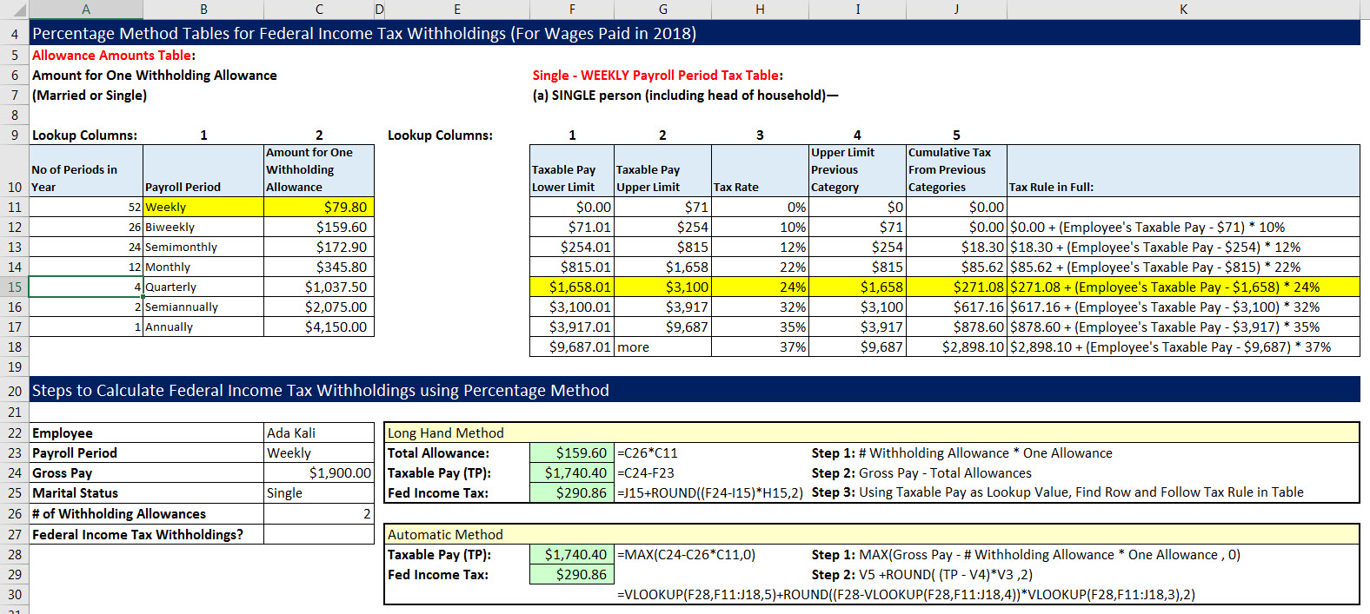
 | Martial Status, Allowances and Pay Period
 | Tax Calculation Long Hand
 | Tax Calculation using MAX and VLOOKUP
 | Full Payroll Table

Fed Income Tax
Federal Income Tax Withholdings
Federal Income Taxes collected by employer and sent to Federal Government on behalf of the employees
You can not wait until the end of the year to pay Federal Income Tax
The "Pay As You Go" concept applies: you must pay your taxes as you earn money.
The deduction from an employee's paycheck is only an estimate.
Why an estimate? Because you can not know the exact amount of your earnings for the year until the year is completed.
The estimate is based on your W-4 Form that you complete when you get a new job.
The estimate is based on:
1) Status you claim such as Single or Married.
2) Number of Allowances you claim (Number of people who you support, 1 Allowance = 1 personal or dependent exemption).
Withholding Allowance refers to an exemption that reduces how much income tax an employer deducts from an employee's paycheck.
Allowances are the governments way of allowing you to keep some of your income and not have it taxed -
the more people you support - the more non-taxed money the government allows you to keep.
Some people take the maximum number of allowances – will receive little refund after tax forms are filed.
Some people take fewer allowances than they qualify for – will receive more refund after tax forms are filed (final income tax form must list correct number of withholdings).
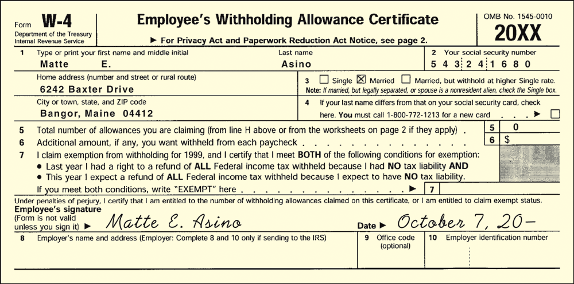
Two methods for employers to determine the amount of federal withholdings:
Wage Bracket Method:
The withholding tax is calculated off the gross earnings for the period
IRS supplies extensive tables to determine how much to withhold from check
Tables cover whether you are married or single, or whether you receive your wages weekly, monthly or other
Percentage Method:
Does not require multiple pages of tables as does the Wage Bracket Method
Involves more steps than the Wage Bracket Method
Both methods are defined by Official IRS Publication 15: (Circular E), Employer's Tax Guide

