Cover
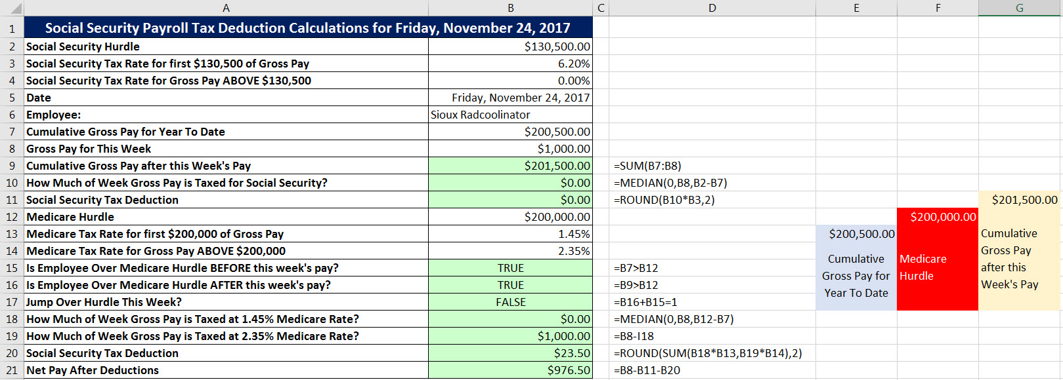
Excel & Business Math 34
MEDIAN Function for FICA Social Security & Medicare Payroll Deductions
 | Topics:
 | FICA Payroll Social Security & Medicare Tax Deductions
 | Calculating FICA Deductions and Net Pay Long Hand
 | Learning How to Make a Tax Calculation When There is a Hurdle That Changes The Tax Rate
 | Using MEDIAN Function to Deal With Tax Hurdles
 | Payroll Employee Table Example

SS(2)
Social Security Payroll Tax Deduction Calculations for Friday, December 01, 2017
Social Security Hurdle | $130,500.00
Social Security Tax Rate for first $130,500 of Gross Pay | 6.20%
Social Security Tax Rate for Gross Pay ABOVE $130,500 | 0.00%
Date | 2017-12-01
Employee: | Sioux Radcoolinator
Cumulative Gross Pay for Year To Date | $130,000.00
Because we jumped over the hurdle this pay period the calculation is: SS Max - Cumulative Gross Pay for Year To Date
Gross Pay for This Week | $1,000.00
Cumulative Gross Pay after this Week's Pay
Is Employee Over Social Security Hurdle BEFORE this week's pay?
Is Employee Over Social Security Hurdle AFTER this week's pay?
How Much of Week Gross Pay is Taxed for Social Security?
Social Security Tax Deduction |  |  |  | $0.00
Medicare Hurdle | $200,000.00 |  | $130,500.00 | Cumulative Gross Pay after this Week's Pay
Medicare Tax Rate for first $200,000 of Gross Pay | 1.45% | $130,000.00 | Social Security Hurdle
Medicare Tax Rate for Gross Pay ABOVE $200,000 | 2.35% | Cumulative Gross Pay for Year To Date
Is Employee Over Medicare Hurdle BEFORE this week's pay?
Is Employee Over Medicare Hurdle AFTER this week's pay?
How Much of Week Gross Pay is Taxed at 1.45% Medicare Rate?
How Much of Week Gross Pay is Taxed at 2.35% Medicare Rate? | $0.00
Medicare Tax Deduction
Net Pay After Deductions

SS(2an)
Social Security Payroll Tax Deduction Calculations for Friday, December 01, 2017
Social Security Hurdle | $130,500.00
Social Security Tax Rate for first $130,500 of Gross Pay | 6.20%
Social Security Tax Rate for Gross Pay ABOVE $130,500 | 0.00%
Date | 2017-12-01
Employee: | Sioux Radcoolinator
Cumulative Gross Pay for Year To Date | $130,000.00
Because we jumped over the hurdle this pay period the calculation is: SS Max - Cumulative Gross Pay for Year To Date
Gross Pay for This Week | $1,000.00
Cumulative Gross Pay after this Week's Pay | $131,000.00 | =SUM(B7:B8)
Is Employee Over Social Security Hurdle BEFORE this week's pay? | FALSE | =B7>B2
Is Employee Over Social Security Hurdle AFTER this week's pay? | TRUE | =B9>B7
How Much of Week Gross Pay is Taxed for Social Security? | $500.00 | =B2-B7
Social Security Tax Deduction | $31.00 | =ROUND(B12*B3,2) |  |  | $131,000.00
Medicare Hurdle | $200,000.00 |  |  | $130,500.00 | Cumulative Gross Pay after this Week's Pay
Medicare Tax Rate for first $200,000 of Gross Pay | 1.45% |  | $130,000.00 | Social Security Hurdle
Medicare Tax Rate for Gross Pay ABOVE $200,000 | 2.35% |  | Cumulative Gross Pay for Year To Date
Is Employee Over Medicare Hurdle BEFORE this week's pay? | FALSE | =B7>B14
Is Employee Over Medicare Hurdle AFTER this week's pay? | FALSE | =B9>B14
How Much of Week Gross Pay is Taxed at 1.45% Medicare Rate? | $1,000.00 | =B8
How Much of Week Gross Pay is Taxed at 2.35% Medicare Rate? | $0.00
Medicare Tax Deduction | $14.50 | =ROUND(B19*B15,2)
Net Pay After Deductions | $954.50 | =B8-B13-B21

