Cover
Excel & Business Math 33
VLOOKUP Function for Incentive Pay: Commissions and Piecework

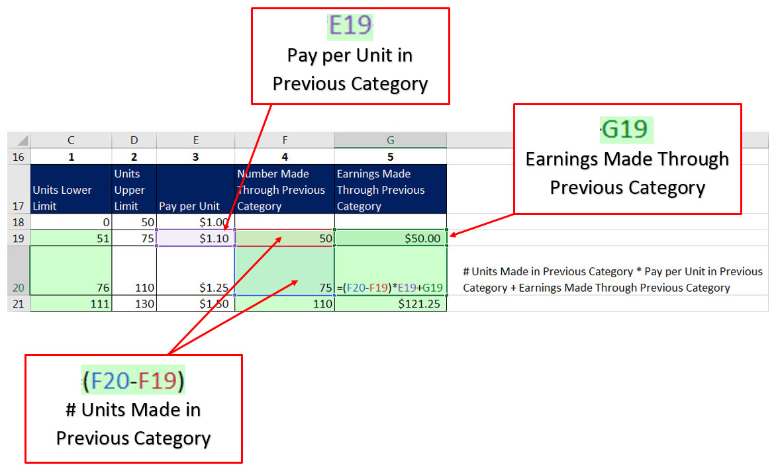
 | Topics:
 | 1) Incentive Pay
 | 2) Straight Piecework Example
 | 3) Variable Piecework: Long-Hand Method
 | 4) Why Excel is so Helpful!!!!
 | 5) Variable Piecework: “Lookup Table Method”
 | 6) Making a Lookup Table
 | 7) What is VLOOKUP Function?
 | 8) Variable Piecework: VLOOKUP Function
 | 9) Variable Piecework & VLOOKUP for Entire Payroll Table, including 10) Mash Up Formula
 | 11) VLOOKUP Function Arguments 12) Lookup Tables are Everywhere
 | 13) Straight Piecework or Commission Rates
 | 14) VLOOKUP for Straight Commission Rates When each Employee has Different Rate
 | 15) VLOOKUP for Variable Commission Rates
 | 16) VLOOKUP for Commission Rate Based on Amount of Sales Made

