Cover
Excel & Business Math 31
Night Shift: Payroll Time Sheet Hours Worked Formula

 | Topics:
 | Day Shift or Night Shift?
 | Negative Times Cause Error
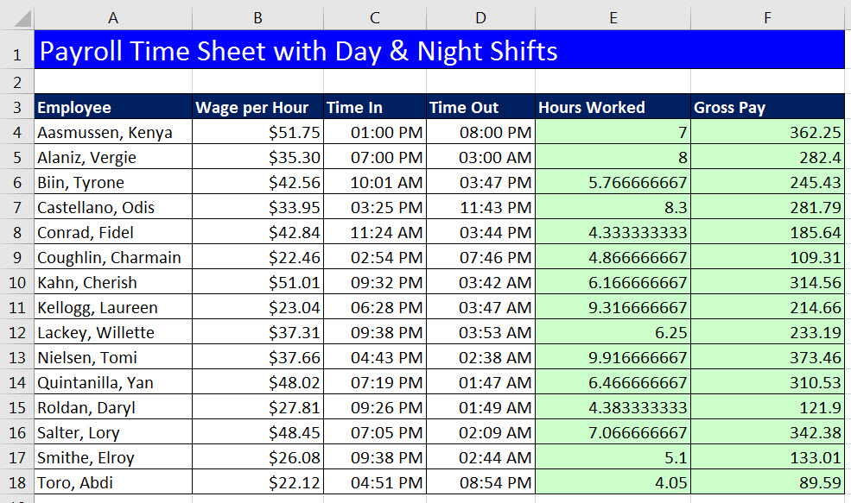
 | Night Shift Formula #1: IF Function
 | Night Shift Formula #2: Boolean Formula
 | Night Shift Formula #3: MOD Function
 | 2 Awesome Homework Problems

