Cover
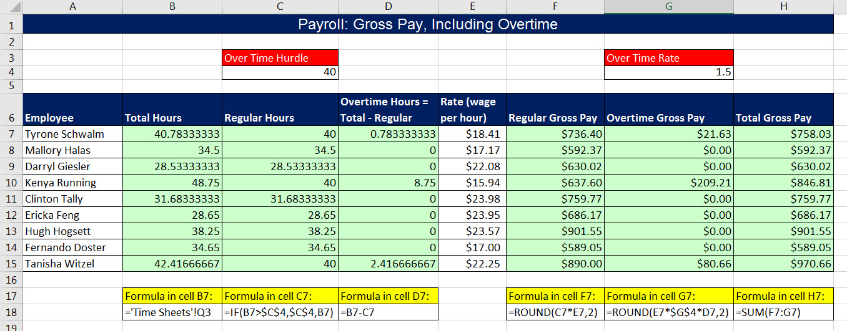
Excel & Business Math 30
Excel Payroll Time Sheet, IF Function for Overtime and Gross Pay

 | Topics:
 | Goal of Payroll Project: Calculate Gross Pay, with Overtime, for Employees Working Monday to Saturday
 | Create Time Sheets that Track Hours Worked from Monday to Saturday
 | Create all Formulas to Add Total Hours, Calculate Regular Hours & Overtime, then Calculate Gross Pay

