Cover
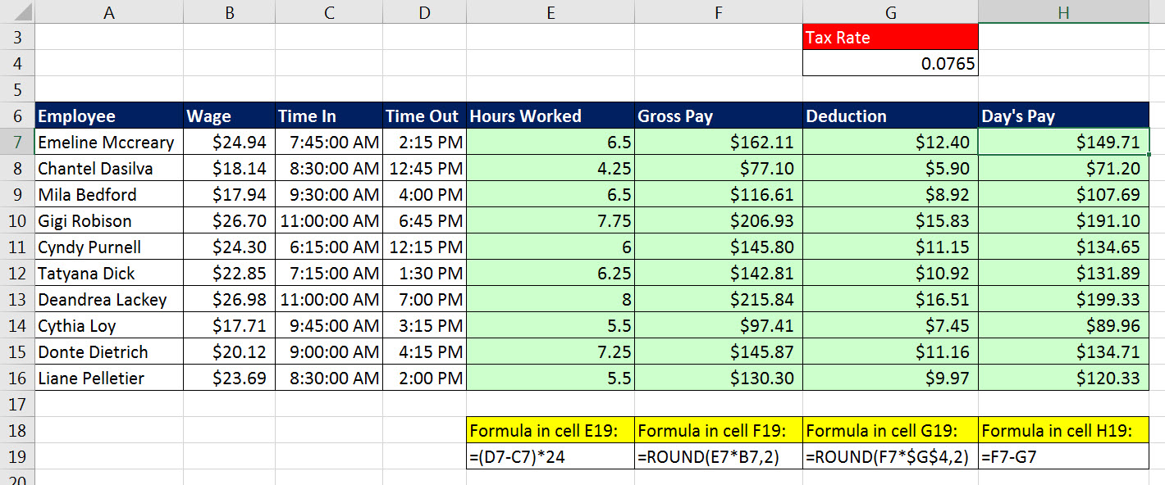
Excel & Business Math 29
Time Number Formatting & Time Calculations in Excel for Payroll Table

 | Topics:
 | Time Number Formatting
 | Excel Formulas for Hours Worked
 | Payroll Template for Net Pay

