Cover
Excel & Business Math 28
IF Function, IS Functions & Building a Check Registers
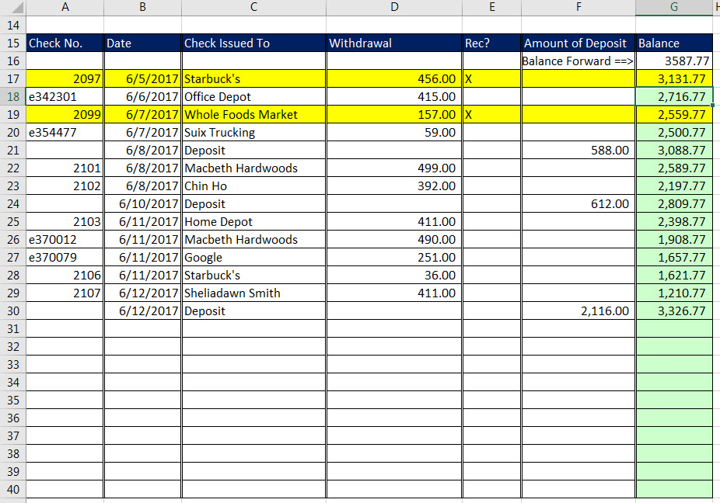
 | Topics:
 | 1) Double Borders
 | 2) Data Validation
 | 3) Conditional Formatting
 | 4) Checkbook Balance Formula
 | 5) IS Functions
 | 6) IF Function
 | 7) ISFORMULA & FORMULATEXT

