Cover
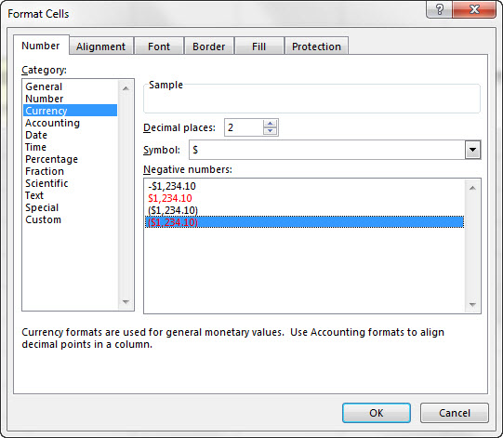
Excel & Business Math 07
Style Formatting: Fill, Font, Border, Indent, Format Painter, Styles & More!
 |  | 1 | Math Operators used in Excel | 1) Math Operators used in Excel
 | Topics: | 2 | Math Order of Operations | 2) Math Order of Operations
 | 1) Buttons in Ribbon Tabs | 3 | Comparative Operators used in Excel | 3) Comparative Operators used in Excel
 | 2) Style Formatting | 4 | Types of Formulas seen in this class | 4) Types of Formulas seen in this class
 | 3) Format Cells Dialog Box | 5 | How to Build Formulas for Business Math | 5) How to Build Formulas for Business Math
 | 4) Format Painter
 | 5) Mini Toolbar |  | #REF! | #REF!
 | 6) Styles |  | #REF! | #REF!
 | 7) Clear Formatting |  | #REF! | #REF!
 | 8) Color Sheet Tab |  | #REF! | #REF!
 |  |  | #REF! | #REF!

 |  |  | #REF! | #REF! | #REF!
 |  |  | #REF! | #REF! | #REF!
 |  |  | #REF! | #REF! | #REF!
 |  |  | #REF! | #REF! | #REF!
 |  |  | #REF! |  | #REF!
 |  |  |  |  | #REF!
 |  |  |  |  | #REF!
 |  |  |  |  | #REF!
 |  |  |  |  | #REF!
 |  |  |  |  | #REF!

