Cover
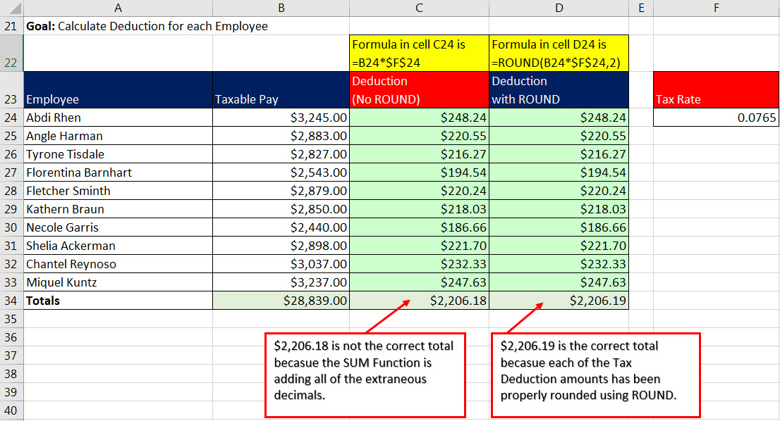

Excel & Business Math 05
Number Formatting as Façade & ROUND Function
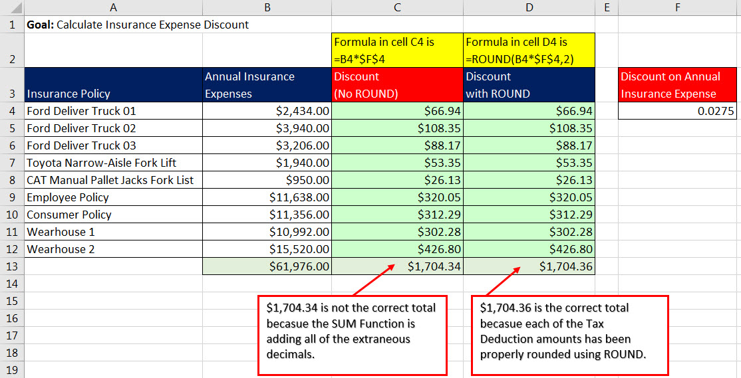
 | Topics:
 | 1) Number Formatting as Façade
 | 2) Formulas do not “see” Number Format
 | 3) Round Numbers
 | 4) Excel’s Built-in ROUND Function
 | 5) Examples from Video #3

NF(1)

Employee | Sales | What does Number Formatting do?
Abdi | 35061
Gigi | 25341.7007 | 1) Number Formatting allows you to change how the Number is displayed
Pham | 24428.4659 | without actually changing the underlying number that sits in the cell.
Tyrone | 33965.6039
Sioux | 29549.5599 | Number Formatting is a Façade
Miki | 25175.6986 | The Façade shows 35061, but underneather is the number 35060.7056
Naoya | 47516.8732
 |  | Façade = an outward appearance that is different
 |  | than what is underneatehr or inside

NF(3)
3) Number Formatting can save us a lot of time with data entry!!

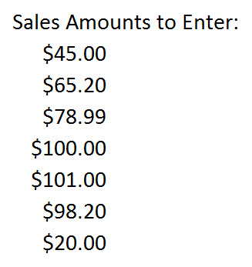
 | Sales | Sales

ROUND(2)
When you MUST use ROUND: |  |  | When not to use ROUND:
1) You are required to round, like with Money. |  |  | When you are just looking at number, then you can use Number Formatting
2) You have extraneous decimals, like past the penny position.
3) You will use formula result in a subsequent formula.

Rules for ROUND: |  |  | Examples where you often have to round your numbers:
Round to penny (hundredths position) use 2 |  |  | Payroll
Round to dollar (ones position) use 0 |  |  | Invoices
Round to thousands (thousands position) use -3 |  |  | Income Taxes

$163.89 is not the correct total becasue the SUM Function is adding all of the extraneous decimals.
$163.90 is the correct total becasue each of the Tax Deduction amounts has been properly rounded using ROUND.
Payroll: |  | No ROUND | ROUND
Employee | Gross Pay | Tax Deduction | Tax Deduction | Type What you see:
Lillian Holt | $689.25
Jasmine Phelps | $765.71
Sadie Hudson | $687.43
 | Total

Tax Rate | 0.0765

ROUND(2an)
When you MUST use ROUND: |  |  | When not to use ROUND:
1) You are required to round, like with Money. |  |  | When you are just looking at number, then you can use Number Formatting
2) You have extraneous decimals, like past the penny position.
3) You will use formula result in a subsequent formula.

Rules for ROUND: |  |  | Examples where you often have to round your numbers:
Round to penny (hundredths position) use 2 |  |  | Payroll
Round to dollar (ones position) use 0 |  |  | Invoices
Round to thousands (thousands position) use -3 |  |  | Income Taxes

Payroll: |  | No ROUND | ROUND
Employee | Gross Pay | Tax Deduction | Tax Deduction | Type What you see:
Lillian Holt | 689.25 | $52.73 | $52.73 | 52.73
Jasmine Phelps | 765.71 | $58.58 | $58.58 | 58.58
Sadie Hudson | 687.43 | $52.59 | $52.59 | 52.59
 | Total | $163.89 | $163.90 | 163.90
$163.89 is not the correct total becasue the SUM Function is adding all of the extraneous decimals.
$163.90 is the correct total becasue each of the Tax Deduction amounts has been properly rounded using ROUND.
Tax Rate | 0.0765

Video03
Goal: Calculate Insurance Expense Discount

Insurance Policy | Annual Insurance Expenses | Discount (No ROUND) | Discount with ROUND | Discount on Annual Insurance Expense | Fractions, Decimals & Percentages are covered later in the class.
Ford Deliver Truck 01 | $2,434.00 |  |  | 0.0275 | But:
Ford Deliver Truck 02 | $3,940.00 |  |  |  | Percentages means "How Many Parts Out Of 100"
Ford Deliver Truck 03 | $3,206.00 |  |  |  | 10% means 10 parts out of 100
Toyota Narrow-Aisle Fork Lift | $1,940.00 |  |  |  | For Money this means: 10 Pennies for Every One Dollar
CAT Manual Pallet Jacks Fork List | $950.00
Employee Policy | $11,638.00
Consumer Policy | $11,356.00
Wearhouse 1 | $10,992.00
Wearhouse 2 | $15,520.00
 | $61,976.00 |  |  |  |  | $0.00 is not the correct total becasue the SUM Function is adding all of the extraneous decimals. | $0.00 is the correct total becasue each of the Tax Deduction amounts has been properly rounded using ROUND.
$0.00 is not the correct total becasue the SUM Function is adding all of the extraneous decimals.
$0.00 is the correct total becasue each of the Tax Deduction amounts has been properly rounded using ROUND.

Goal: Calculate Deduction for each Employee

Employee | Taxable Pay | Deduction (No ROUND) | Deduction with ROUND | Tax Rate
Abdi Rhen | $3,245.00 |  |  | 0.0765
Angle Harman | $2,883.00
Tyrone Tisdale | $2,827.00
Florentina Barnhart | $2,543.00
Fletcher Sminth | $2,879.00
Kathern Braun | $2,850.00
Necole Garris | $2,440.00
Shelia Ackerman | $2,898.00
Chantel Reynoso | $3,037.00
Miquel Kuntz | $3,237.00
Totals | $28,839.00 |  |  |  |  | $0.00 is not the correct total becasue the SUM Function is adding all of the extraneous decimals. | $0.00 is the correct total becasue each of the Tax Deduction amounts has been properly rounded using ROUND.

$0.00 is not the correct total becasue the SUM Function is adding all of the extraneous decimals.
$0.00 is the correct total becasue each of the Tax Deduction amounts has been properly rounded using ROUND.

Video03 (an)
Goal: Calculate Insurance Expense Discount
 |  | Formula in cell C4 is =B4*$F$4 | Formula in cell D4 is =ROUND(B4*$F$4,2)
Insurance Policy | Annual Insurance Expenses | Discount (No ROUND) | Discount with ROUND | Discount on Annual Insurance Expense | Fractions, Decimals & Percentages are covered later in the class.
Ford Deliver Truck 01 | $2,434.00 | $66.94 | $66.94 | 0.0275 | But:
Ford Deliver Truck 02 | $3,940.00 | $108.35 | $108.35 |  | Percentages means "How Many Parts Out Of 100"
Ford Deliver Truck 03 | $3,206.00 | $88.17 | $88.17 |  | 10% means 10 parts out of 100
Toyota Narrow-Aisle Fork Lift | $1,940.00 | $53.35 | $53.35 |  | For Money this means: 10 Pennies for Every One Dollar
CAT Manual Pallet Jacks Fork List | $950.00 | $26.13 | $26.13
Employee Policy | $11,638.00 | $320.05 | $320.05
Consumer Policy | $11,356.00 | $312.29 | $312.29
Wearhouse 1 | $10,992.00 | $302.28 | $302.28
Wearhouse 2 | $15,520.00 | $426.80 | $426.80
 | $61,976.00 | $1,704.34 | $1,704.36 |  |  | $1,704.34 is not the correct total becasue the SUM Function is adding all of the extraneous decimals. | $1,704.36 is the correct total becasue each of the Tax Deduction amounts has been properly rounded using ROUND.

$1,704.34 is not the correct total becasue the SUM Function is adding all of the extraneous decimals.
$1,704.36 is the correct total becasue each of the Tax Deduction amounts has been properly rounded using ROUND.

Goal: Calculate Deduction for each Employee
 |  | Formula in cell C24 is =B24*$F$24 | Formula in cell D24 is =ROUND(B24*$F$24,2)
Employee | Taxable Pay | Deduction (No ROUND) | Deduction with ROUND | Tax Rate
Abdi Rhen | $3,245.00 | $248.24 | $248.24 | 0.0765
Angle Harman | $2,883.00 | $220.55 | $220.55
Tyrone Tisdale | $2,827.00 | $216.27 | $216.27
Florentina Barnhart | $2,543.00 | $194.54 | $194.54
Fletcher Sminth | $2,879.00 | $220.24 | $220.24
Kathern Braun | $2,850.00 | $218.03 | $218.03
Necole Garris | $2,440.00 | $186.66 | $186.66
Shelia Ackerman | $2,898.00 | $221.70 | $221.70
Chantel Reynoso | $3,037.00 | $232.33 | $232.33
Miquel Kuntz | $3,237.00 | $247.63 | $247.63
Totals | $28,839.00 | $2,206.18 | $2,206.19 |  |  | $2,206.18 is not the correct total becasue the SUM Function is adding all of the extraneous decimals. | $2,206.19 is the correct total becasue each of the Tax Deduction amounts has been properly rounded using ROUND.

$2,206.18 is not the correct total becasue the SUM Function is adding all of the extraneous decimals.
$2,206.19 is the correct total becasue each of the Tax Deduction amounts has been properly rounded using ROUND.

