Cover
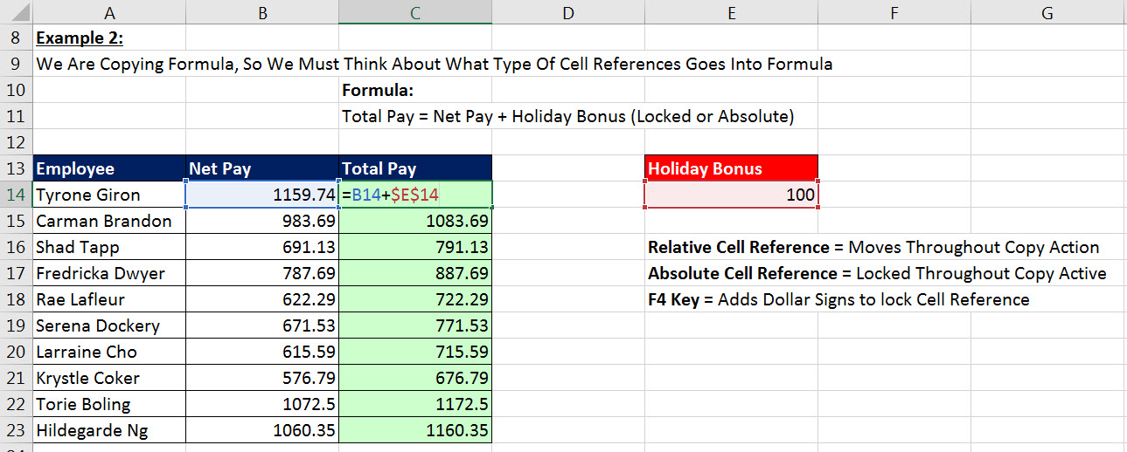

Excel & Business Math 02: Copying Formulas with Relative & Absolute Cell References

 | Topics:
 | 1 | Relative Cell References
 | 2 | Absolute Cell References
 | 3 | Practice Homework

Last Video
Boomerang Sold Product | Price | Number Units Sold | Total Sales |  | Example 1:
Sunset | 21.95 | 5 |  |  | Total Sales = Price * Number Units Sold
Flattop | 29.95 | 2
Flying Eagle | 32.95 | 5 |  |  |  | Notes:
Sunset | 21.95 | 12 |  |  |  | Goal of Formula is: Total Sales = Price * Number Units Sold
Flying Eagle | 32.95 | 5 |  |  |  | Formulas always start with an Equal Sign as first character in cell.
Flying Eagle | 32.95 | 15 |  |  |  | We use Cell References to refer to cells that have numbers that we need in our formula (Formula Inputs)
Flattop | 29.95 | 2 |  |  |  | We can use Arrow Keys or Mouse to enter Cell References into our Formula
Aspen | 22.95 | 3 |  |  |  | Use Ctrl + Enter to put the formula in the cell and keeps the cell selected.
Yanaki | 25.95 | 12 |  |  |  | We can see the answer from the formula in the Cell D2 and we can see the formula in the Formula Bar.
Yanaki | 25.95 | 2 |  |  |  | To Copy the formula down the column, Double-Click the Fill Handle with your Cross Hair or "Angry Rabbit" Cursor.
Sunset | 21.95 | 12 |  |  |  | After you copy a formula, ALWAYS select the last cell and hit the F2 Key to verify that the formula is correct.
Flying Eagle | 32.95 | 23 |  |  |  | F2 puts the cell in Edit Mode so we can visually see if Cell References are pointing to the correct Formula Inputs.
Notice that the formula always has Cell References that are looking two-cells-to-the-left (Price) times one-cell-to-the-left (Units). These types of Cell References are called “Relative Cell References”
Flattop | 29.95 | 19
Aspen | 22.95 | 13
Yanaki | 25.95 | 24
Sunset | 21.95 | 18
Flattop | 29.95 | 7
Flying Eagle | 32.95 | 19

Example 2:
Net Income = Revenue - Expenses
 | Jan | Feb | Mar | Apr | May | Jun | Jul | Aug
Revenue | 110404 | 130641 | 80258.55 | 144912 | 60882.33 | 83274 | 69274.44 | 148650.94
Expenses | 76178.5 | 67933.32 | 44944.2 | 95641.81 | 34702.61 | 42469.9 | 47106.2 | 71352.15
Net Income

Notice that the formula always has Cell References that are looking two-cells-above (Revenue) minus one-cell-above (Expenses). These types of Cell References are called “Relative Cell References”

Last Video (an)
Boomerang Sold Product | Price | Number Units Sold | Total Sales |  | Example 1:
Sunset | 21.95 | 5 | 109.75 |  | Total Sales = Price * Number Units Sold
Flattop | 29.95 | 2 | 59.9
Flying Eagle | 32.95 | 5 | 164.75 |  |  | Notes:
Sunset | 21.95 | 12 | 263.4 |  |  | Goal of Formula is: Total Sales = Price * Number Units Sold
Flying Eagle | 32.95 | 5 | 164.75 |  |  | Formulas always start with an Equal Sign as first character in cell.
Flying Eagle | 32.95 | 15 | 494.25 |  |  | We use Cell References to refer to cells that have numbers that we need in our formula (Formula Inputs)
Flattop | 29.95 | 2 | 59.9 |  |  | We can use Arrow Keys or Mouse to enter Cell References into our Formula
Aspen | 22.95 | 3 | 68.85 |  |  | Use Ctrl + Enter to put the formula in the cell and keeps the cell selected.
Yanaki | 25.95 | 12 | 311.4 |  |  | We can see the answer from the formula in the Cell D2 and we can see the formula in the Formula Bar.
Yanaki | 25.95 | 2 | 51.9 |  |  | To Copy the formula down the column, Double-Click the Fill Handle with your Cross Hair or "Angry Rabbit" Cursor.
Sunset | 21.95 | 12 | 263.4 |  |  | After you copy a formula, ALWAYS select the last cell and hit the F2 Key to verify that the formula is correct.
Flying Eagle | 32.95 | 23 | 757.85 |  |  | F2 puts the cell in Edit Mode so we can visually see if Cell References are pointing to the correct Formula Inputs.
Notice that the formula always has Cell References that are looking two-cells-to-the-left (Price) times one-cell-to-the-left (Units). These types of Cell References are called “Relative Cell References”
Flattop | 29.95 | 19 | 569.05
Aspen | 22.95 | 13 | 298.35
Yanaki | 25.95 | 24 | 622.8
Sunset | 21.95 | 18 | 395.1
Flattop | 29.95 | 7 | 209.65
Flying Eagle | 32.95 | 19 | 626.05

Example 2:
Net Income = Revenue - Expenses
 | Jan | Feb | Mar | Apr | May | Jun | Jul | Aug
Revenue | 110404 | 130641 | 80258.55 | 144912 | 60882.33 | 83274 | 69274.44 | 148650.94
Expenses | 76178.5 | 67933.32 | 44944.2 | 95641.81 | 34702.61 | 42469.9 | 47106.2 | 71352.15
Net Income | 34225.5 | 62707.68 | 35314.35 | 49270.19 | 26179.72 | 40804.1 | 22168.24 | 77298.79

Notice that the formula always has Cell References that are looking two-cells-above (Revenue) minus one-cell-above (Expenses). These types of Cell References are called “Relative Cell References”

