Cover
Excel & Business Math 01: Introduction to Excel for Business Math Class
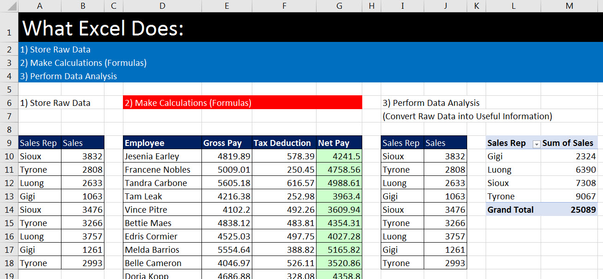
 | Topics:
 | 1 | USB Drive to store files from class
 | 2 | Save As to Download Excel & pdf Files
 | 3 | Save Class Files & Create Class Folder
 | 4 | Windows Explorer to view and open files
 | 5 | Why we use Excel for Business Math
 | 6 | Conventions for Class
 | 7 | What does Excel do?
 | 8 | Excel Workbook Layout
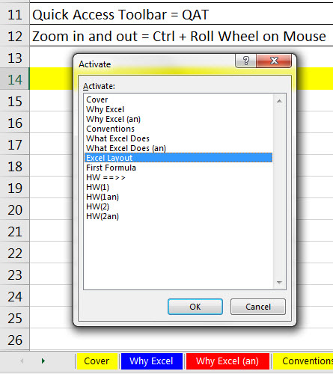
 | 9 | First Excel Formula: Total Sales
 | 10 | Selecting a Range with the Selection Cursor
 | 11 | Number Formatting
 | 12 | Second Excel Formula: Net Income
 | 13 | Verify that Number Formatting is NOT misleading

 | 14 | PDF Notes | 15 | Practice Homework

